﻿Gigabit Ethernet (GBE)
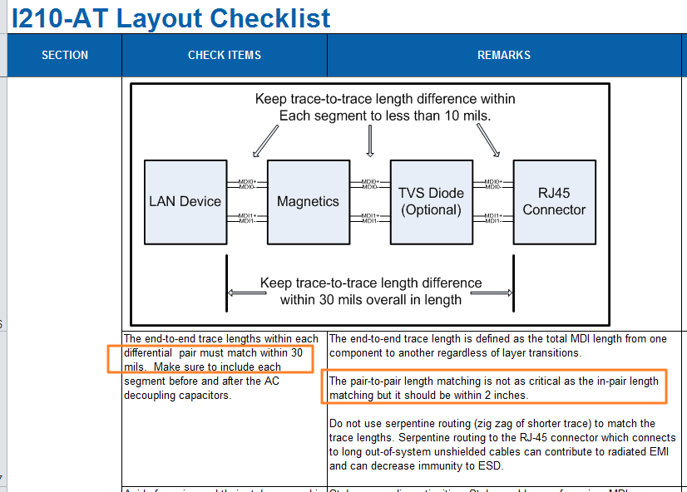
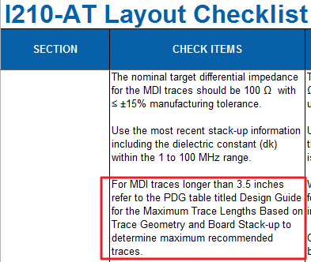
Pin No. | Gigabit Ethernet | Pin Type | Pwr Rail / Tolerance | Description | SOM-5871 Baseboard Width/ Space/ Other space [mils] |  | I210IT Design | SOM-5871 A101-3 Module Length[mils] | SOM-5871 A101-3 Baseboard Length[mils] | SOM-5871 A101-3 Total Length[mils] | Intra-pair Length Matching[mils] | Inter-pair Length Matching[mils]
 |  |  |  |  | Inner Layer | Outer Layer | I210IT to integrated magnetics with RJ-45 Connector |  |  | L < 3500 | L < 30 | L < 2000
A12 | GBE0_MDI0- | I/O Analog | 3.3V max Suspend | Gigabit Ethernet Controller 0: Media Dependent Interface Differential Pairs 0,1,2,3. The MDI can operate in 1000, 100 and 10 Mbit / sec modes. Some pairs are unused in some modes, per the following: 1000BASE-T 100BASE-TX 10BASE-T MDI[0]± B1_DA± TX± TX± MDI[1]± B1_DB± RX± RX± MDI[2]± B1_DC± MDI[3]± B1_DD± | DP - 100 Ω ± 10% SE - 50Ω ± 10% | DP - 100 Ω ± 15% SE - 50Ω ± 15% | L < 3500 | 839.62 |  | 839.62 | 0.1 | 66.01
A13 | GBE0_MDI0+ |  |  |  |  |  | L < 3500 | 839.52 |  | 839.52
A9 | GBE0_MDI1- |  |  |  |  |  | L < 3500 | 826.26 |  | 826.26 | 1.64
A10 | GBE0_MDI1+ |  |  |  |  |  | L < 3500 | 824.62 |  | 824.62
A6 | GBE0_MDI2- |  |  |  |  |  | L < 3500 | 798.16 |  | 798.16 | 1.74
A7 | GBE0_MDI2+ |  |  |  |  |  | L < 3500 | 799.9 |  | 799.9
A2 | GBE0_MDI3- |  |  |  |  |  | L < 3500 | 863.69 |  | 863.69 | 0.48
A3 | GBE0_MDI3+ |  |  |  |  |  | L < 3500 | 864.17 |  | 864.17
 |  |  |  |  | Inner Layer | Outer Layer
B2 | GBE0_ACT# | OD CMOS | 3.3V / 3.3V Suspend | Gigabit Ethernet Controller 0 activity indicator, active low. | SE - 50Ω ± 10% | SE - 50Ω ± 10% | ASAP
A8 | GBE0_LINK# | OD CMOS | 3.3V / 3.3V Suspend | Gigabit Ethernet Controller 0 link indicator, active low. |  |  | ASAP
A4 | GBE0_LINK100# | OD CMOS | 3.3V / 3.3V Suspend | Gigabit Ethernet Controller 0 100 Mbit / sec link indicator, active low. |  |  | ASAP
A5 | GBE0_LINK1000# | OD CMOS | 3.3V / 3.3V Suspend | Gigabit Ethernet Controller 0 1000 Mbit / sec link indicator, active low. |  |  | ASAP
A14 | GBE0_CTREF | REF | GND min 3.3V max | Reference voltage for Carrier Board Ethernet channel 0 magnetics center tap. The reference voltage is determined by the requirements of the module PHY and may be as low as 0V and as high as 3.3V. The reference voltage output shall be current limited on the module. In the case in which the reference is shorted to ground, the current shall be limited to 250 mA or less. |  |  | ASAP
A49 | GBE0_SDP | I/O | 3.3V Suspend / 3.3V | Gigabit Ethernet Controller 0 Software-Definable Pin. Can also be used for IEEE1588 support such as a 1pps signal. See section 4.3.5 for details. |  |  | ASAP
 | CT | I/O Analog | GND min 3.3V max | Transformer Magnetics Module center taps |  |  | L < 100

HDA Digital Interface
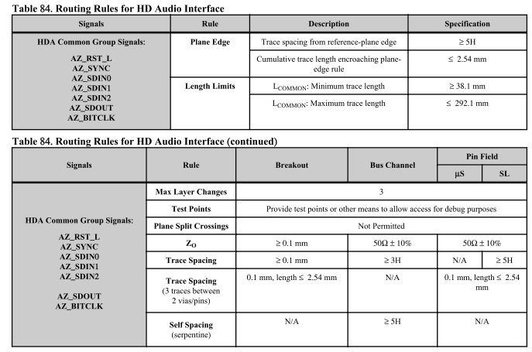
Pin No. | HDA Digital Interface | Pin Type | Pwr Rail / Tolerance | Description | SOM-5871 Baseboard Width/ Data space/ Clock space [mils] |  | V1000 FP5 Checklist Length[mils] | SOM-5871 A101-3 Module Length[mils] | SOM-5871 A101-3 Baseboard Length[mils] | SOM-5871 A101-3 Total Length[mils] | AC/HDA_SDOUT to AC/HDA_BITCLK Length Matching[mils] | SDIN Series Termination to Codec Length[mils]
 |  |  |  |  | Inner Layer | Outer Layer | V1000 FP5 to Codec |  |  | L < 11000 | L < 500
A30 | HDA_RST# | O CMOS | 3.3V / 3.3V Suspend | Reset output to AC97 CODEC, active low. | SE - 50 Ω ± 10% | SE - 50 Ω ± 15% | L < 11000 | 2984.55 |  | 2984.55
A29 | HDA_SYNC | O CMOS | 3.3V / 3.3V | 48kHz fixed-rate, sample-synchronization signal to the CODEC(s). |  |  | L < 11000 | 2570.86 |  | 2570.86
A32 | HDA_BITCLK | I/O CMOS | 3.3V / 3.3V | 12.228 MHz serial data clock generated by the external CODEC(s). |  |  | L < 11000 | 2619.57 |  | 2619.57 | 65.98
A33 | HDA_SDOUT | O CMOS | 3.3V / 3.3V | Serial TDM data output to the CODEC. |  |  | L < 11000 | 2553.59 |  | 2553.59
 |  |  |  |  | Inner Layer | Outer Layer | V1000 FP5 to Codec |  |  | L < 11000 |  | L < 500
B30 | HDA_SDIN0 | I CMOS | 3.3V / 3.3V Suspend | Serial TDM data inputs from CODEC 0. | SE - 50 Ω ± 10% | SE - 50 Ω ± 15% | L < 11000 | 2241.48 |  | 2241.48 |  | 349.92
B29 | HDA_SDIN1 | I CMOS | 3.3V / 3.3V Suspend | Serial TDM data inputs from CODEC 1. |  |  | L < 11000 | 2591.4 |  | 2591.4
B28 | HDA_SDIN2 | I CMOS | 3.3V / 3.3V Suspend | Serial TDM data inputs CODEC 2. |  |  | L < 11000 | 2573.59 |  | 2573.59
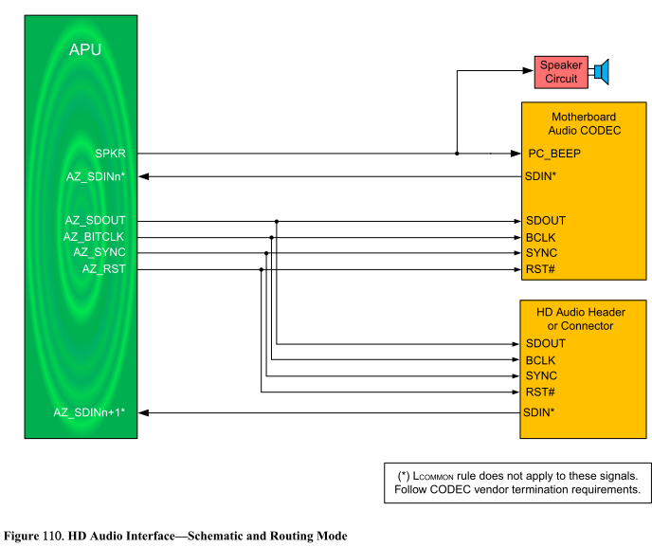
ASAP - As short as possible
DP - Differential Pair
SE - Single End

﻿Serial ATA SAS (SATA)
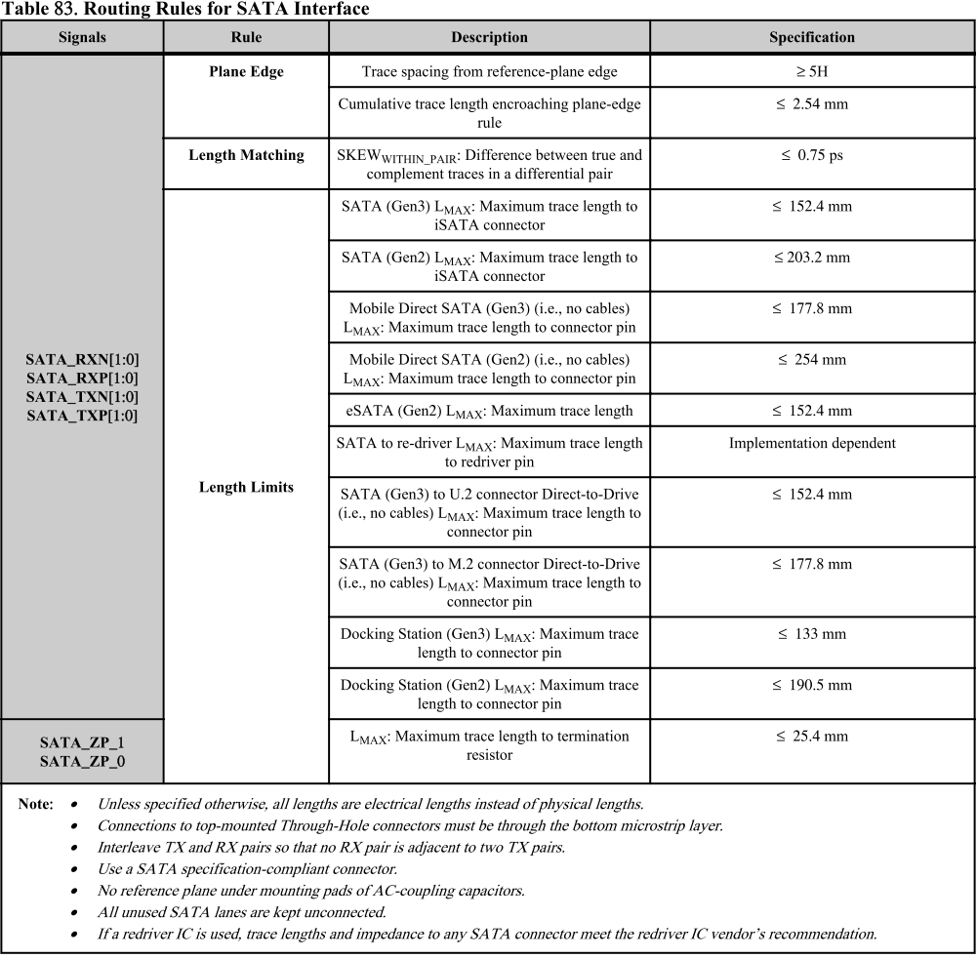
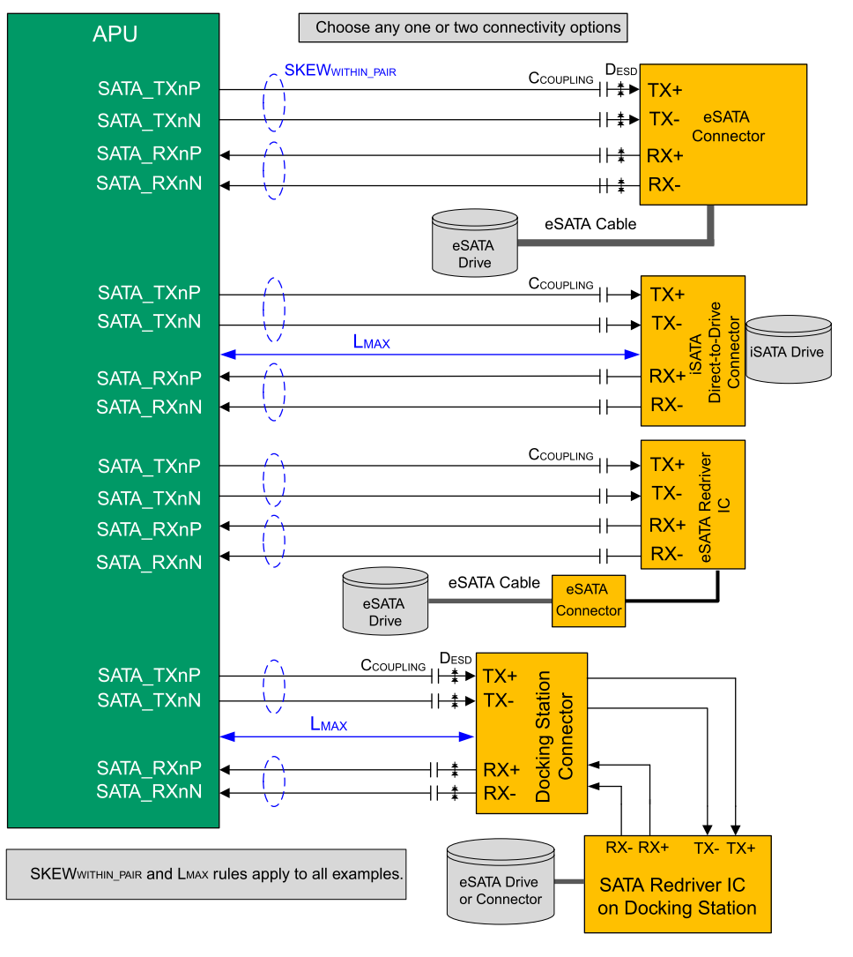
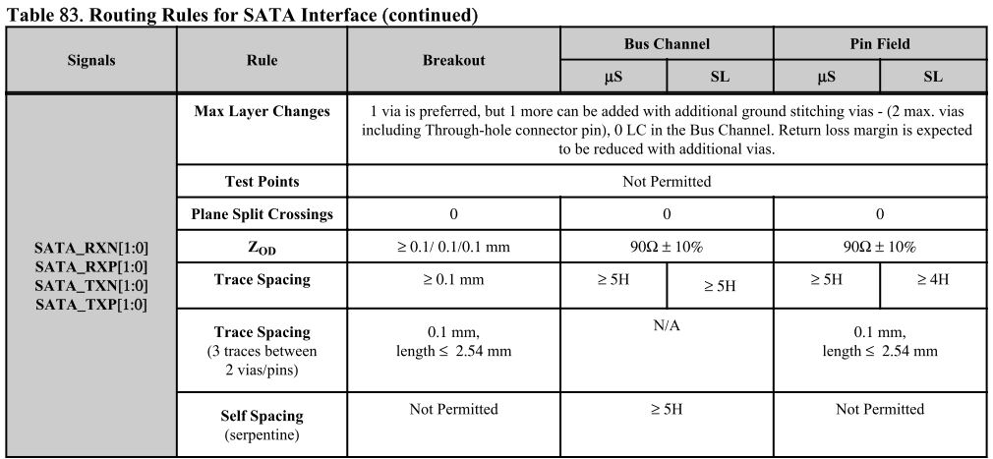
Pin No. | Serial ATA | Pin Type | Pwr Rail / Tolerance | Description | SOM-5871 Baseboard Width/ Space/ Other space [mils] |  | V1000 FP5 Checklist Length[mils] | SOM-5871 A101-3 Module Length[mils] | SOM-5871 A101-3 Baseboard Length[mils] | SOM-5871 A101-3 Total Length[mils] | Intra-pair Length Matching[mils]
 |  |  |  |  | Inner Layer | Outer Layer | SATA Gen 3 3000 < L < 6000 |  |  | 3000 < L < 6000 | L < 5
A16 | SATA0_TX+ | O SATA | AC coupled on module | Serial ATA or SAS Channel 0 transmit differential pair. | DP - 85 Ω ± 10% SE - 50 Ω ± 10% | DP - 85 Ω ± 15% SE - 50 Ω ± 15% | 3000 < L < 6000 | 3898.07 |  | 3898.07 | 0.19
A17 | SATA0_TX- |  |  |  |  |  | 3000 < L < 6000 | 3897.88 |  | 3897.88
A19 | SATA0_RX+ | I SATA | AC coupled on module | Serial ATA or SAS Channel 0 receive differential pair. |  |  | 3000 < L < 6000 | 4486.45 |  | 4486.45 | 0.51
A20 | SATA0_RX- |  |  |  |  |  | 3000 < L < 6000 | 4486.96 |  | 4486.96
B16 | SATA1_TX+ | O SATA | AC coupled on module | Serial ATA or SAS Channel 1 transmit differential pair. |  |  | 3000 < L < 6000 | 3789.25 |  | 3789.25 | 0.55
B17 | SATA1_TX- |  |  |  |  |  | 3000 < L < 6000 | 3788.7 |  | 3788.7
B19 | SATA1_RX+ | I SATA | AC coupled on module | Serial ATA or SAS Channel 1 receive differential pair. |  |  | 3000 < L < 6000 | 4296.34 |  | 4296.34 | 0.01
B20 | SATA1_RX- |  |  |  |  |  | 3000 < L < 6000 | 4296.35 |  | 4296.35
A22 | SATA2_TX+ | O SATA | AC coupled on module | Serial ATA or SAS Channel 2 transmit differential pair. | N/A | N/A | N/A | N/A | N/A | N/A | N/A
A23 | SATA2_TX- |  |  |  | N/A | N/A | N/A | N/A | N/A | N/A | N/A
A25 | SATA2_RX+ | I SATA | AC coupled on module | Serial ATA or SAS Channel 2 receive differential pair. | N/A | N/A | N/A | N/A | N/A | N/A | N/A
A26 | SATA2_RX- |  |  |  | N/A | N/A | N/A | N/A | N/A | N/A | N/A
B22 | SATA3_TX+ | O SATA | AC coupled on module | Serial ATA or SAS Channel 3 transmit differential pair. | N/A | N/A | N/A | N/A | N/A | N/A | N/A
B23 | SATA3_TX- |  |  |  | N/A | N/A | N/A | N/A | N/A | N/A | N/A
B25 | SATA3_RX+ | I SATA | AC coupled on module | Serial ATA or SAS Channel 3 receive differential pair. | N/A | N/A | N/A | N/A | N/A | N/A | N/A
B26 | SATA3_RX- |  |  |  | N/A | N/A | N/A | N/A | N/A | N/A | N/A
 |  |  |  |  | Inner Layer | Outer Layer
A28 | (S)ATA_ACT# | O CMOS | 3.3V / 3.3V | ATA (parallel and serial) or SAS activity indicator, active low. | SE - 50 Ω ± 10% | SE - 50 Ω ± 10% | ASAP

PCI Express Lanes (PCIE)
Pin No. | PCI Express Lanes | Pin Type | Pwr Rail / Tolerance | Description | SOM-5871 Baseboard Width/ Space/ Other space [mils] |  | V1000 FP5 Checklist | SOM-5871 A101-3 Module Length[mils] | SOM-5871 A101-3 Baseboard Length[mils] | SOM-5871 A101-3 Total Length[mils] | Intra-pair Length Matching[mils]
 | General Purpose |  |  |  | Inner Layer | Outer Layer | 1.V1000 FP5 PCIe(Gen3) w/ PCIe Bridge |  |  | L< 9000 from PCH L> 4000 for PCIe Bridge | L < 5
A68 | PCIE_TX0+ | O PCIE | AC coupled on module | PCI Express Differential Transmit Pairs 0 through 5 | DP - 85 Ω ± 10% SE - 50 Ω ± 10% | DP - 85 Ω ± 15% SE - 50 Ω ± 15% | L< 9000 | 3107.36 |  | 3107.36 | 0.19
A69 | PCIE_TX0- |  |  |  |  |  | L< 9000 | 3107.55 |  | 3107.55
A64 | PCIE_TX1+ |  |  |  |  |  | L< 9000 | 3384.08 |  | 3384.08 | 0.04
A65 | PCIE_TX1- |  |  |  |  |  | L< 9000 | 3384.04 |  | 3384.04
A61 | PCIE_TX2+ |  |  |  |  |  | L< 9000 | 3108.68 |  | 3108.68 | 0.31
A62 | PCIE_TX2- |  |  |  |  |  | L< 9000 | 3108.99 |  | 3108.99
A58 | PCIE_TX3+ |  |  |  |  |  | L< 9000 | 3474.55 |  | 3474.55 | 0.94
A59 | PCIE_TX3- |  |  |  |  |  | L< 9000 | 3475.49 |  | 3475.49
A55 | PCIE_TX4+ |  |  |  |  |  | L> 4000 | 4068.61 |  | 4068.61 | 0.03 | PCIe Gen2 only.
A56 | PCIE_TX4- |  |  |  |  |  | L> 4000 | 4068.58 |  | 4068.58 |  | PCIe Gen2 only.
A52 | PCIE_TX5+ |  |  |  |  |  | L< 9000 | 4828.12 |  | 4828.12 | 0.03
A53 | PCIE_TX5- |  |  |  |  |  | L< 9000 | 4828.15 |  | 4828.15
D19 | PCIE_TX6+ |  |  |  |  |  | L> 4000 | 2463.85 |  | 2463.85 | 0.88 | PCIe Gen2 only.
D20 | PCIE_TX6- |  |  |  |  |  | L> 4000 | 2464.73 |  | 2464.73 |  | PCIe Gen2 only.
D22 | PCIE_TX7+ |  |  |  |  |  | L> 4000 | 2347.64 |  | 2347.64 | 0.88 | PCIe Gen2 only.
D23 | PCIE_TX7- |  |  |  |  |  | L> 4000 | 2348.52 |  | 2348.52 |  | PCIe Gen2 only.
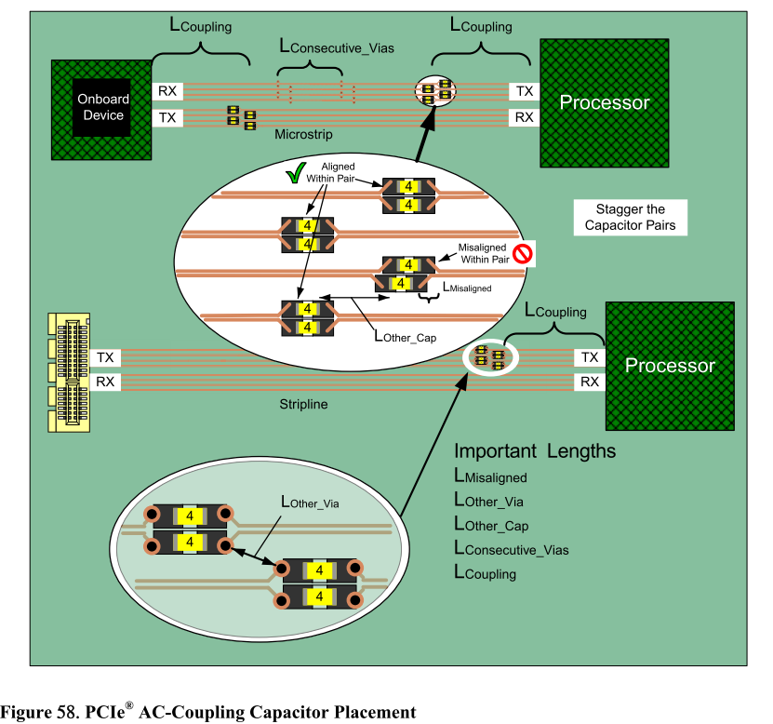
 |  |  |  |  | Inner Layer | Outer Layer | 1.V1000 FP5 PCIe(Gen3) w/ PCIe Bridge |  |  | L< 9000 from PCH L> 4000 for PCIe Bridge | L < 5
B68 | PCIE_RX0+ | I PCIE | AC coupled off module | PCI Express Differential Receive Pairs 0 through 5 | DP - 85 Ω ± 10% SE - 50 Ω ± 10% | DP - 85 Ω ± 15% SE - 50 Ω ± 15% | L< 9000 | 2913.36 |  | 2913.36 | 0.5
B69 | PCIE_RX0- |  |  |  |  |  | L< 9000 | 2913.86 |  | 2913.86
B64 | PCIE_RX1+ |  |  |  |  |  | L< 9000 | 3170.78 |  | 3170.78 | 0.03
B65 | PCIE_RX1- |  |  |  |  |  | L< 9000 | 3170.75 |  | 3170.75
B61 | PCIE_RX2+ |  |  |  |  |  | L< 9000 | 3190.6 |  | 3190.6 | 0.78
B62 | PCIE_RX2- |  |  |  |  |  | L< 9000 | 3191.38 |  | 3191.38
B58 | PCIE_RX3+ |  |  |  |  |  | L< 9000 | 3057.19 |  | 3057.19 | 0.71
B59 | PCIE_RX3- |  |  |  |  |  | L< 9000 | 3057.9 |  | 3057.9
B55 | PCIE_RX4+ |  |  |  |  |  | L> 4000 | 3744.09 |  | 3744.09 | 0.18 | PCIe Gen2 only.
B56 | PCIE_RX4- |  |  |  |  |  | L> 4000 | 3743.91 |  | 3743.91 |  | PCIe Gen2 only.
B52 | PCIE_RX5+ |  |  |  |  |  | L< 9000 | 4488.1 |  | 4488.1 | 0.75
B53 | PCIE_RX5- |  |  |  |  |  | L< 9000 | 4487.35 |  | 4487.35
C19 | PCIE_RX6+ |  |  |  |  |  | L> 4000 | 2507.25 |  | 2507.25 | 0.91 | PCIe Gen2 only.
C20 | PCIE_RX6- |  |  |  |  |  | L> 4000 | 2508.16 |  | 2508.16 |  | PCIe Gen2 only.
C22 | PCIE_RX7+ |  |  |  |  |  | L> 4000 | 2565.39 |  | 2565.39 | 0.01 | PCIe Gen2 only.
C23 | PCIE_RX7- |  |  |  |  |  | L> 4000 | 2565.4 |  | 2565.4 |  | PCIe Gen2 only.
Pin No. | PCI Express Lanes | Pin Type | Pwr Rail / Tolerance | Description | SOM-5871 Baseboard Width/ Space/ Other space [mils] |  | V1000 FP5 Checklist | SOM-5871 A101-3 Module Length[mils] | SOM-5871 A101-3 Baseboard Length[mils] | SOM-5871 A101-3 Total Length[mils] | Intra-pair Length Matching[mils]
 | x16 Graphics |  |  |  |  |  | V1000 FP5 PCIe (Gen3) |  |  | L< 9000 | L < 5
D52 | PEG_TX0+ | O PCIE | AC coupled on module | PCI Express Graphics transmit differential pairs. Some of these are multiplexed with SDVO lines (see SDVO section). These are the same lines as PCIE_TX[16:31] + and - in module pin-out types 4 and 5. | DP - 85 Ω ± 10% SE - 50 Ω ± 10% | DP - 85 Ω ± 10% SE - 50 Ω ± 10% | L< 9000 | 3025.55 |  | 3025.55 | 0.5
D53 | PEG_TX0- |  |  |  |  |  | L< 9000 | 3026.05 |  | 3026.05
D55 | PEG_TX1+ |  |  |  |  |  | L< 9000 | 2772.31 |  | 2772.31 | 0.74
D56 | PEG_TX1- |  |  |  |  |  | L< 9000 | 2771.57 |  | 2771.57
D58 | PEG_TX2+ |  |  |  |  |  | L< 9000 | 2834.5 |  | 2834.5 | 0.64
D59 | PEG_TX2- |  |  |  |  |  | L< 9000 | 2833.86 |  | 2833.86
D61 | PEG_TX3+ |  |  |  |  |  | L< 9000 | 3138.87 |  | 3138.87 | 0.95
D62 | PEG_TX3- |  |  |  |  |  | L< 9000 | 3137.92 |  | 3137.92
D65 | PEG_TX4+ |  |  |  |  |  | L< 9000 | 2963.88 |  | 2963.88 | 0.22
D66 | PEG_TX4- |  |  |  |  |  | L< 9000 | 2963.66 |  | 2963.66
D68 | PEG_TX5+ |  |  |  |  |  | L< 9000 | 3144.17 |  | 3144.17 | 0.84
D69 | PEG_TX5- |  |  |  |  |  | L< 9000 | 3143.33 |  | 3143.33
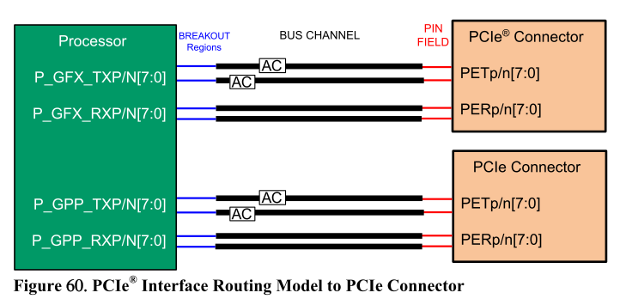
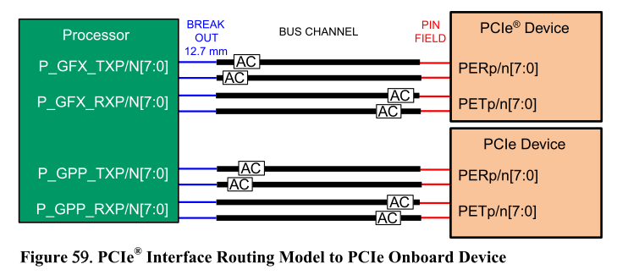
D71 | PEG_TX6+ |  |  |  |  |  | L< 9000 | 3178.04 |  | 3178.04 | 0.88
D72 | PEG_TX6- |  |  |  |  |  | L< 9000 | 3178.92 |  | 3178.92
D74 | PEG_TX7+ |  |  |  |  |  | L< 9000 | 3361.38 |  | 3361.38 | 0.11
D75 | PEG_TX7- |  |  |  |  |  | L< 9000 | 3361.27 |  | 3361.27
D78 | PEG_TX8+ |  |  |  | N/A | N/A | N/A | N/A | N/A | N/A | N/A
D79 | PEG_TX8-
D81 | PEG_TX9+ |  |  |  | N/A | N/A | N/A | N/A | N/A | N/A | N/A
D82 | PEG_TX9-
D85 | PEG_TX10+ |  |  |  | N/A | N/A | N/A | N/A | N/A | N/A | N/A
D86 | PEG_TX10-
D88 | PEG_TX11+ |  |  |  | N/A | N/A | N/A | N/A | N/A | N/A | N/A
D89 | PEG_TX11-
D91 | PEG_TX12+ |  |  |  | N/A | N/A | N/A | N/A | N/A | N/A | N/A
D92 | PEG_TX12-
D94 | PEG_TX13+ |  |  |  | N/A | N/A | N/A | N/A | N/A | N/A | N/A
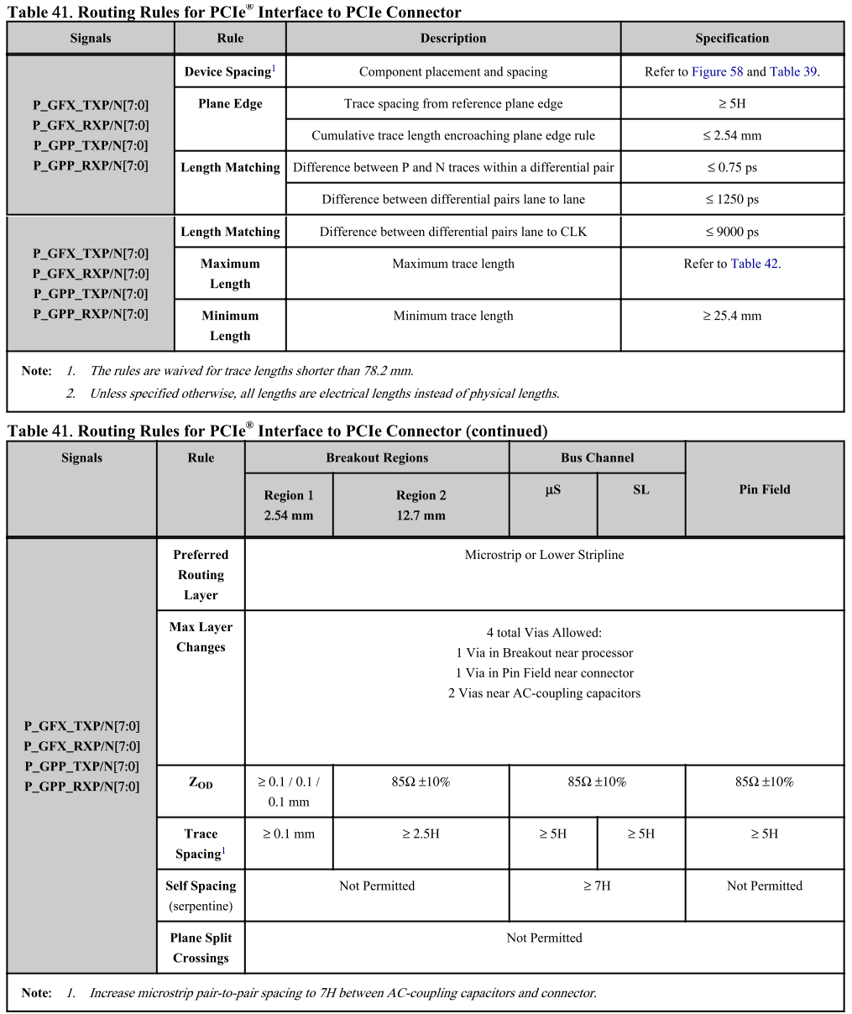
D95 | PEG_TX13-
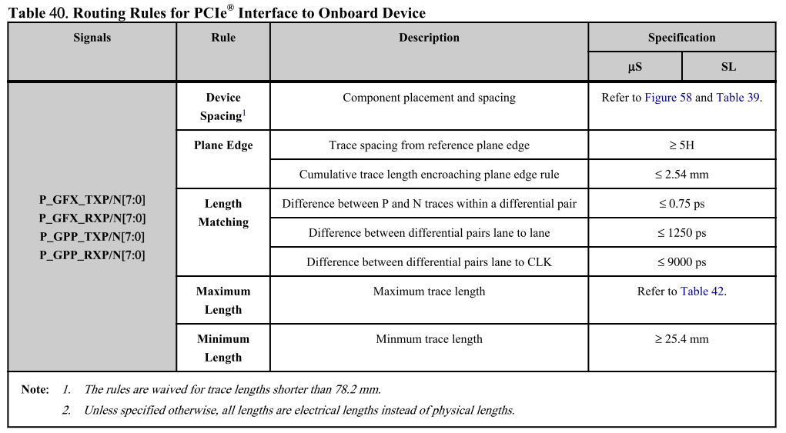
D98 | PEG_TX14+ |  |  |  | N/A | N/A | N/A | N/A | N/A | N/A | N/A
D99 | PEG_TX14-
D101 | PEG_TX15+ |  |  |  | N/A | N/A | N/A | N/A | N/A | N/A | N/A
D102 | PEG_TX15-
 |  |  |  |  |  |  | V1000 FP5 PCIe (Gen3) |  |  | L< 9000 | L < 5
C52 | PEG_RX0+ | I PCIE | AC coupled off module | PCI Express Graphics receive differential pairs. Some of these are multiplexed with SDVO lines (see SDVO section). These are the same lines as PCIE_RX[16:31] + and - in module pin-out types 4 and 5. | DP - 85 Ω ± 10% SE - 50 Ω ± 10% | DP - 85 Ω ± 10% SE - 50 Ω ± 10% | L< 9000 | 3228.52 |  | 3228.52 | 0.98
C53 | PEG_RX0- |  |  |  |  |  | L< 9000 | 3229.5 |  | 3229.5
C55 | PEG_RX1+ |  |  |  |  |  | L< 9000 | 3495.51 |  | 3495.51 | 0.9
C56 | PEG_RX1- |  |  |  |  |  | L< 9000 | 3496.41 |  | 3496.41
C58 | PEG_RX2+ |  |  |  |  |  | L< 9000 | 3495.06 |  | 3495.06 | 0.35
C59 | PEG_RX2- |  |  |  |  |  | L< 9000 | 3495.41 |  | 3495.41
C61 | PEG_RX3+ |  |  |  |  |  | L< 9000 | 4859.92 |  | 4859.92 | 0.72
C62 | PEG_RX3- |  |  |  |  |  | L< 9000 | 4859.2 |  | 4859.2
C65 | PEG_RX4+ |  |  |  |  |  | L< 9000 | 5123.07 |  | 5123.07 | 0.05
C66 | PEG_RX4- |  |  |  |  |  | L< 9000 | 5123.12 |  | 5123.12
C68 | PEG_RX5+ |  |  |  |  |  | L< 9000 | 3996.51 |  | 3996.51 | 0.23
C69 | PEG_RX5- |  |  |  |  |  | L< 9000 | 3996.74 |  | 3996.74
C71 | PEG_RX6+ |  |  |  |  |  | L< 9000 | 4334.41 |  | 4334.41 | 0.84
C72 | PEG_RX6- |  |  |  |  |  | L< 9000 | 4333.57 |  | 4333.57
C74 | PEG_RX7+ |  |  |  |  |  | L< 9000 | 4787.58 |  | 4787.58 | 0.37
C75 | PEG_RX7- |  |  |  |  |  | L< 9000 | 4787.95 |  | 4787.95
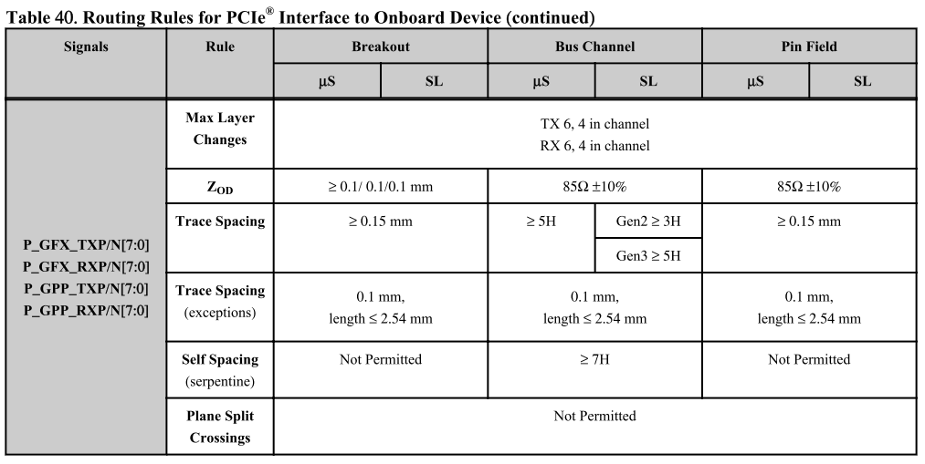
C78 | PEG_RX8+ |  |  |  | N/A | N/A | N/A | N/A | N/A | N/A | N/A
C79 | PEG_RX8-
C81 | PEG_RX9+ |  |  |  | N/A | N/A | N/A | N/A | N/A | N/A | N/A
C82 | PEG_RX9-
C85 | PEG_RX10+ |  |  |  | N/A | N/A | N/A | N/A | N/A | N/A | N/A
C86 | PEG_RX10-
C88 | PEG_RX11+ |  |  |  | N/A | N/A | N/A | N/A | N/A | N/A | N/A
C89 | PEG_RX11-
C91 | PEG_RX12+ |  |  |  | N/A | N/A | N/A | N/A | N/A | N/A | N/A
C92 | PEG_RX12-
C94 | PEG_RX13+ |  |  |  | N/A | N/A | N/A | N/A | N/A | N/A | N/A
C95 | PEG_RX13-
C98 | PEG_RX14+ |  |  |  | N/A | N/A | N/A | N/A | N/A | N/A | N/A
C99 | PEG_RX14-
C101 | PEG_RX15+ |  |  |  | N/A | N/A | N/A | N/A | N/A | N/A | N/A
C102 | PEG_RX15-
Pin No. | PCI Express Lanes | Pin Type | Pwr Rail / Tolerance | Description | SOM-5871 Baseboard Width/ Space/ Other space [mils] |  | V1000 FP5 Checklist | SOM-5871 A101-1 Module Length[mils] | SOM-5871 A101-1 Baseboard Length[mils] | SOM-5871 A101-1 Total Length[mils] | Intra-pair Length Matching[mils]
 | PCI Express Clock |  |  |  | Inner Layer | Outer Layer | V1000 FP5 1000 < L < 12000 |  |  | 1000 < L < 12000 | L < 5
A88 | PCIE0_CLK_REF+ | O CMOS | 3.3V / 3.3V | Reference clock output for all PCI Express and PCI Express Graphics lanes. | DP - 85 Ω ± 10% SE - 50 Ω ± 10% | DP - 85 Ω ± 15% SE - 50 Ω ± 15% | 1000 < L < 12000 | 3117.41 |  | 3117.41 | 0.44
A89 | PCIE0_CLK_REF- |  |  |  |  |  |  | 3116.97 |  | 3116.97
D54 | PEG_LANE_RV# | I CMOS | 3.3V / 3.3V | PCI Express Graphics lane reversal input strap. Pull low on the carrier board to reverse lane order. Be aware that the SDVO lines that share this interface do not necessarily reverse order if this strap is low. | N/A | N/A | N/A | N/A | N/A | N/A | N/A
D97 | PEG_ENABLE# | I CMOS | 3.3V / 3.3V | Strap to enable PCI Express x16 external graphics interface. Pull low to disable internal graphics and enable the x16 interface. | N/A | N/A | N/A | N/A | N/A | N/A | N/A
 |  |  |  |  |  |  | 1. Apollo Lake to Add in Card - PCIe Gen1
PCI Express Insertion Loss Budget with Slot Card |  |  |  |  |  |  | 2. Apollo Lake to Add in Card - PCIe Gen2
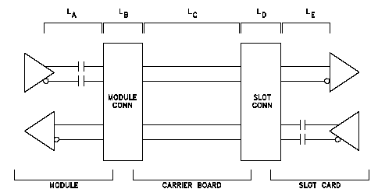 |  |  |  |  |  |  |  |  |  |  |  |  | 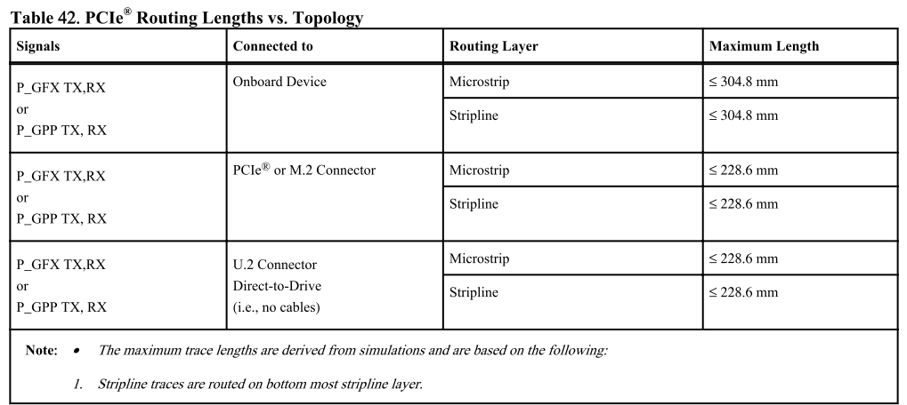
PCI Express Insertion Loss Budget, 1.25 GHz with Carrier Board Slot Card
Segment | Loss (dB) max. Length [mm/inches] | Notes |  |  |  |  | 1
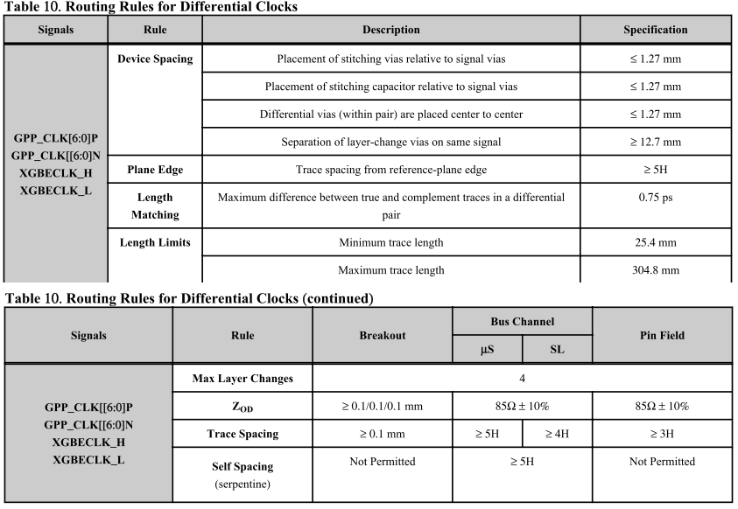
LA | 3.46 130/5.15 | Allowance for 5.15 inches of module trace 3.45 dB loss @ 0.28 dB / GHz / inch and 1.66 dB crosstalk allowance. Coupling caps not included. |  |  | ***check Layout guide length
Coupling Caps | 1.19 | 1.19 dB loss. From PCI Express Card Electromechanical Spec., Rev. 1.1, parameters (LST – LSR). Includes crosstalk allowance of 0.79 dB. |  |  | 557775_APL_PDG_Rev2.0.pdf PG140
LB | 0.25 | COM ExpressTM connector at 1.25 GHz measured value: 0.25 dB loss.
LC | 4.4 228/9.0 | Allowance for 9 inches of Carrier Board trace 4.40 db loss @ 0.28 dB / GHz / inch and a 1.25 dB crosstalk allowance.
LD | 1.25 | 1.25 dB loss. PCI Express Card Electromechanical Spec Rev 1.1 “guard band” allowance for slot connector – includes 1.0 dB connector loss.
LE | 2.65 | 2.65 dB loss. From PCI Express Card Electromechanical Spec., Rev. 1.1(without coupling caps; LAR). Implied crosstalk allowance is 1.25 dB.
Total | 13.20 | 13.20 dB loss.
The module transmit and receive insertion loss budgets are different due to the presence of the coupling caps in the module transmit path. The module transmit path insertion loss budget shall be 4.65 dB (3.46 dB + 1.19 dB). The module receive path insertion loss budget shall be 3.46 dB. COM ExpressTM connector loss is accounted for separately. The Carrier Board transmit and receive insertion loss budgets are the same in this case. The Carrier Board insertion loss budget shall be 4.40 dB. COM ExpressTM connector and slot card connector losses are accounted for separately. The slot card transmit and receive insertion loss budgets are different due to the presence of the coupling caps in the slot card’s transmit path. The slot card’s transmit path insertion loss budget is 3.84 dB (2.65 dB + 1.19 dB) per the PCI Express Card Electromechanical Specification Revision 1.1. The slot card’s receive path insertion loss budget is 2.65 dB per the same specification. Slot card connector loss is accounted for separately.
PCI Express Insertion Loss Budget, 2.5 GHz with Carrier Board Slot Card
Segment | max. Length [mm/inches] | Notes
LA | 127/5.0 | Allowance for module trace. Coupling cap effects included within simulation.
LB |  | COM Express™ connector simulated at 2.5 GHz.
LC | 113/4.45 | Allowance for Carrier Board.
LD |  | PCI Express Card slot connector simulated at 2.5 GHz.
LE | 80/3.15 | Slot Card trace length from PCI Express Card Electromagnetical Spec., Rev. 1.1
Total | 320/12.6 | PCIe GEN2 Data clocked architecture
For “device up” PCIe Gen 2 operation, the Module PCIe maximum trace length is restricted to 5.0 inches and the Carrier Board maximum trace to 4.45 inches. Shorter lengths will yield additional margin and are encouraged where possible. Results assumed FR4 dielectrics. Other dielectrics with lower losses could be considered, but were not simulated. It should be noted that a use case exists that might result in reduced PCI Express bandwidth. This use case is tied to Carrier boards with a PCI Express slot (device up). PCI Express Gen 1 and Gen 2 signaling rates use the same PCI Express connector – there is no mechanical keying mechanism to identify the capabilities of the PCI Express slot or the PCI Express board plugged into the slot. This can lead to the situation where the Module and PCI Express board attempt a PCI Express Gen2 signaling rate connection over a Carrier that does not meet the routing guidelines for Gen 2 signaling rates. In a worst case scenario the devices might connect at Gen2 signaling rate with a high number of errors impacting the actual data throughput. It should be noted that there is a Carrier EEPROM on the Carrier which would allow the Module to determine the Carrier board capabilities but this is not a requirement in COM.0.
PCI Express Insertion Loss Budget with Carrier Board PCIE Device
The insertion losses previously allowed for the slot card and slot card connector are re-allocated for use on the Carrier Board, allowing longer Carrier Board trace lengths and more Carrier Board design flexibility. The module and COM ExpressTM connector loss budgets remain the same.
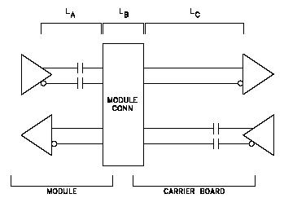
PCI Express Insertion Loss Budget, 1.25 GHz with Carrier Board PCIE Device
Segment | Loss (dB) max. Length [mm/inches] | Notes
LA | 3.46 131/5.15 | Allowance for 5.15 inches of module trace 3.46 dB loss @ 0.28 dB / GHz / inch and 1.66 dB crosstalk allowance. Coupling caps not included.
Coupling Caps | 1.19 | 1.19 dB loss. From PCI Express Card Electromechanical Spec., Rev. 1.1, parameters (LST– LSR). Includes crosstalk allowance of 0.79 dB.
LB | 0.25 | COM ExpressTMconnector at 1.25 GHz measured value: 0.25 dB loss
LC | 8.3 402/15.85 | Allowance for 15.85 inches of Carrier Board trace 8.30 dB loss @ 0.28 dB / GHz / inch and a 2.75 dB crosstalk allowance.
Total | 13.20 | 13.20 dB loss
The module transmit and receive insertion loss budgets are different due to the presence of the coupling caps in the module transmit path. The module transmit path insertion loss budget shall be 4.65 dB (3.46 dB + 1.19 dB). The module receive path insertion loss budget shall be 3.46 dB. COM ExpressTM connector loss is accounted for separately. The Carrier Board transmit and receive insertion loss budgets are different due to the presence of the coupling caps in the Carrier Board transmit path. The Carrier Board transmit path insertion loss budget shall be 9.49 dB (8.30 dB + 1.19 dB). The Carrier Board receive path insertion loss shall be 8.30 dB. COM ExpressTM connector loss is accounted for separately.
PCI Express Insertion Loss Budget, 2.5 GHz with Carrier Board PCIE Device
Segment | max. Length [mm/inches] | Notes
LA | 127/5.0 | Allowance for module trace. Coupling cap effects included within simulation.
LB |  | COM Express™ connector simulated at 2.5 GHz.
LC | 203/8.0 | Allowance for Carrier Board trace.
Total | 330/13.0 | PCIe GEN2 Data clocked architecture
For “device down” PCIe Gen 2 operation, the Module PCIe maximum trace length is restricted to 5.0 inches and the Carrier Board maximum trace to 8.0 inches. Shorter lengths will yield additional margin and are encouraged where possible. Results assumed FR4 dielectrics. Other dielectrics with lower losses could be considered, but were not simulated.

DDI-TMDS(HDMI DVI)
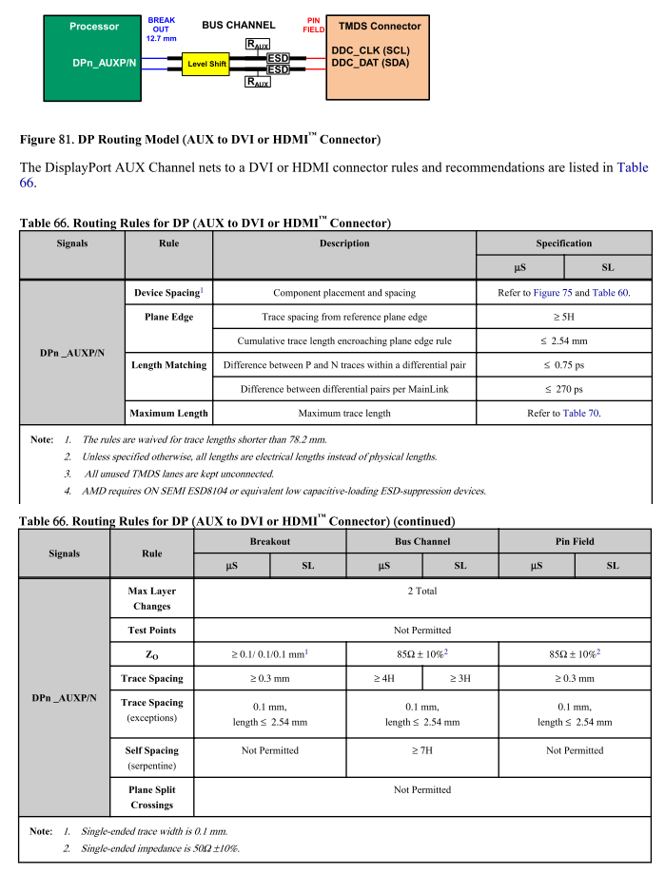
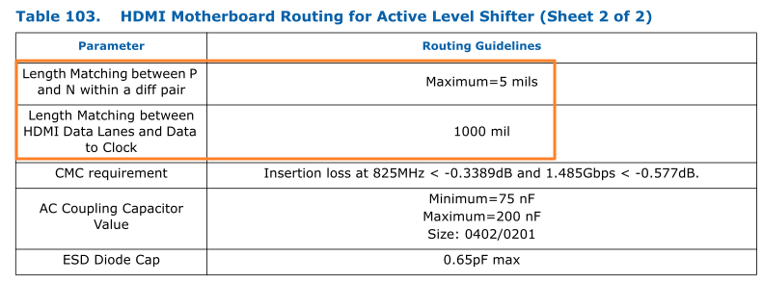
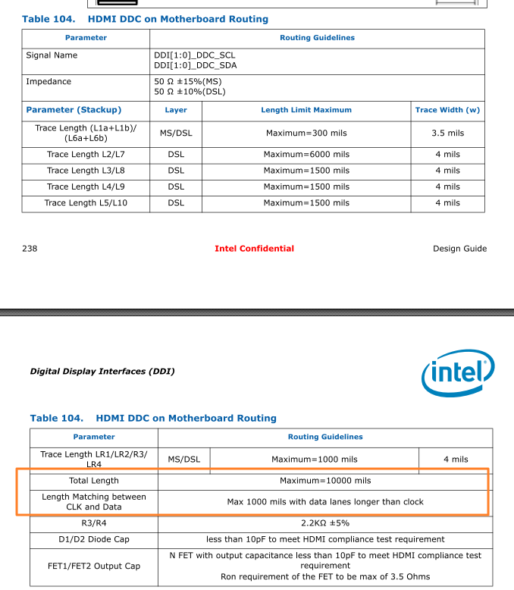
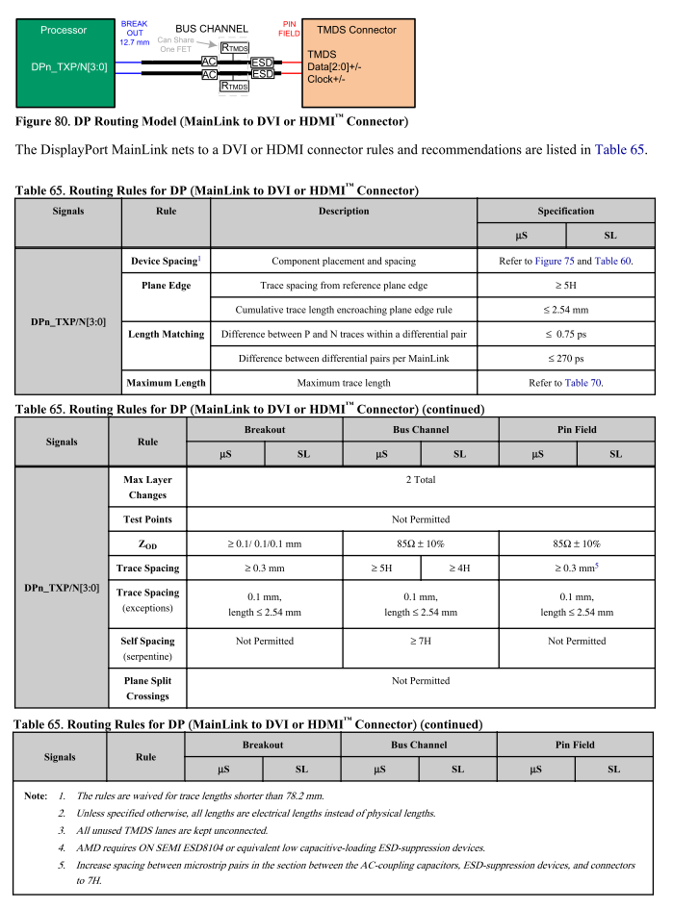
Pin No. | DDI-TMDS | Pin Type | Pwr Rail / Tolerance | Description | SOM-5871 Baseboard Width/ Space/ Other space [mils] |  | V1000 FP5 Checklist Length[mils] | SOM-5871 A101-3 Module Length[mils] | COME to Active Level Shifter Length[mils] | Active Level Shifter to HDMI/DVI Connector Length[mils] | SOM-5871 A101-3 Total Length[mils] | Intra-pair Length Matching[mils] | Inter-pair Length Matching[mils] | 4328.34
 |  |  |  |  | Inner Layer | Outer Layer | 2.V1000 FP5 TMDS to connector (3GT/s) |  |  | L< 1000 | L< 6000 | L < 5 | Length Matching between HDMI Data Lanes and Data to Clock L < 1800
D26 | TMDS1_DATA2+ | O PCIE | AC coupled off Module | HDMI/DVI TMDS lanes 2 differential pairs | DP - 85 Ω ± 10% SE - 50 Ω ± 10% | DP - 85 Ω ± 15% SE - 50 Ω ± 15% | L< 6000 | 4385.31 |  |  | 4385.31 | 0.5 | 326.87
D27 | TMDS1_DATA2- |  |  |  |  |  | L< 6000 | 4384.81 |  |  | 4384.81
D29 | TMDS1_DATA1+ | O PCIE | AC coupled off Module | HDMI/DVI TMDS lanes 1 differential pairs |  |  | L< 6000 | 4154.12 |  |  | 4154.12 | 0.24
D30 | TMDS1_DATA1- |  |  |  |  |  | L< 6000 | 4154.36 |  |  | 4154.36
D32 | TMDS1_DATA0+ | O PCIE | AC coupled off Module | HDMI/DVI TMDS lanes 0 differential pairs |  |  | L< 6000 | 4082.3 |  |  | 4082.3 | 0.22
D33 | TMDS1_DATA0- |  |  |  |  |  | L< 6000 | 4082.08 |  |  | 4082.08
D36 | TMDS1_CLK+ | O PCIE | AC coupled off Module | HDMI/DVI TMDS Clock differential pair |  |  | L< 6000 | 4059.27 |  |  | 4059.27 | 0.83
D37 | TMDS1_CLK- |  |  |  |  |  | L< 6000 | 4058.44 |  |  | 4058.44
D39 | TMDS2_DATA2+ | O PCIE | AC coupled off Module | HDMI/DVI TMDS lanes 2 differential pairs |  |  | L< 6000 | 4612.27 |  |  | 4612.27 | 0.69 | 693.11
D40 | TMDS2_DATA2- |  |  |  |  |  | L< 6000 | 4612.96 |  |  | 4612.96
D42 | TMDS2_DATA1+ | O PCIE | AC coupled off Module | HDMI/DVI TMDS lanes 1 differential pairs |  |  | L< 6000 | 3919.85 |  |  | 3919.85 | 0.52
D43 | TMDS2_DATA1- |  |  |  |  |  | L< 6000 | 3920.37 |  |  | 3920.37
D46 | TMDS2_DATA0+ | O PCIE | AC coupled off Module | HDMI/DVI TMDS lanes 0 differential pairs |  |  | L< 6000 | 4109.47 |  |  | 4109.47 | 0.15
D47 | TMDS2_DATA0- |  |  |  |  |  | L< 6000 | 4109.62 |  |  | 4109.62
D49 | TMDS2_CLK+ | O PCIE | AC coupled off Module | HDMI/DVI TMDS Clock differential pair |  |  | L< 6000 | 4427.24 |  |  | 4427.24 | 0.4
D50 | TMDS2_CLK- |  |  |  |  |  | L< 6000 | 4426.84 |  |  | 4426.84
C39 | TMDS3_DATA2+ | O PCIE | AC coupled off Module | HDMI/DVI TMDS lanes 2 differential pairs |  |  | L< 6000 | 5715.78 |  |  | 5715.78 | 1.66 | 825.35
C40 | TMDS3_DATA2- |  |  |  |  |  | L< 6000 | 5717.44 |  |  | 5717.44
C42 | TMDS3_DATA1+ | O PCIE | AC coupled off Module | HDMI/DVI TMDS lanes 1 differential pairs |  |  | L< 6000 | 5051.5 |  |  | 5051.5 | 1.56
C43 | TMDS3_DATA1- |  |  |  |  |  | L< 6000 | 5053.06 |  |  | 5053.06
C46 | TMDS3_DATA0+ | O PCIE | AC coupled off Module | HDMI/DVI TMDS lanes 0 differential pairs |  |  | L< 6000 | 4896.53 |  |  | 4896.53 | 0.11
C47 | TMDS3_DATA0- |  |  |  |  |  | L< 6000 | 4896.64 |  |  | 4896.64
C49 | TMDS3_CLK+ | O PCIE | AC coupled off Module | HDMI/DVI TMDS Clock differential pair |  |  | L< 6000 | 4892.32 |  |  | 4892.32 | 0.23
C50 | TMDS3_CLK- |  |  |  |  |  | L< 6000 | 4892.09 |  |  | 4892.09
Pin No. | DDI-TMDS | Pin Type | Pwr Rail / Tolerance | Description | SOM-5871 Baseboard Width/ Space/ Other space [mils] |  | V1000 FP5 Checklist Length[mils] | SOM-5871 A101-3 Module Length[mils] | COME to Active Level Shifter Length[mils] | Active Level Shifter to HDMI/DVI Connector Length[mils] | SOM-5871 A101-3 Total Length[mils] | Intra-pair Length Matching[mils]
 |  |  |  |  | Inner Layer | Outer Layer | HDMI DDC on Motherboard Routing - L< 6000 |  |  | L< 1000 | L< 6000 | L < 5
D15 | HMDI1_CTRLCLK | I/O OD CMOS | 3.3V / 3.3V | HDMI/DVI I2C control clock | SE - 50 Ω ± 10% | SE - 50 Ω ± 15% | L< 6000 | 4247.85 |  |  | 4247.85 | 0.26
D16 | HMDI1_CTRLDATA | I/O OD CMOS | 3.3V / 3.3V | HDMI/DVI I2C control data |  |  | L< 6000 | 4248.11 |  |  | 4248.11
C32 | HDMI2_CTRLCLK | I/O OD CMOS | 3.3V / 3.3V | HDMI/DVI I2C control clock |  |  | L< 6000 | 4122.13 |  |  | 4122.13 | 1.82
C33 | HDMI2_CTRLDATA | I/O OD CMOS | 3.3V / 3.3V | HDMI/DVI I2C control data |  |  | L< 6000 | 4123.95 |  |  | 4123.95
C36 | HDMI3_CTRLCLK | I/O OD CMOS | 3.3V / 3.3V | HDMI/DVI I2C control clock |  |  | L< 6000 | 4754.98 |  |  | 4754.98 | 0.04
C37 | HDMI3_CTRLDATA | I/O OD CMOS | 3.3V / 3.3V | HDMI/DVI I2C control data |  |  | L< 6000 | 4754.94 |  |  | 4754.94
 |  |  |  |  | Inner Layer | Outer Layer
C24 | HDMI1_HPD | I | 3.3V / 3.3V | HDMI/DVI Hot-Plug Detect | SE - 50 Ω ± 10% | SE - 50 Ω ± 15% | ASAP
D44 | HDMI2_HPD | I | 3.3V / 3.3V | HDMI/DVI Hot-Plug Detect |  |  | ASAP
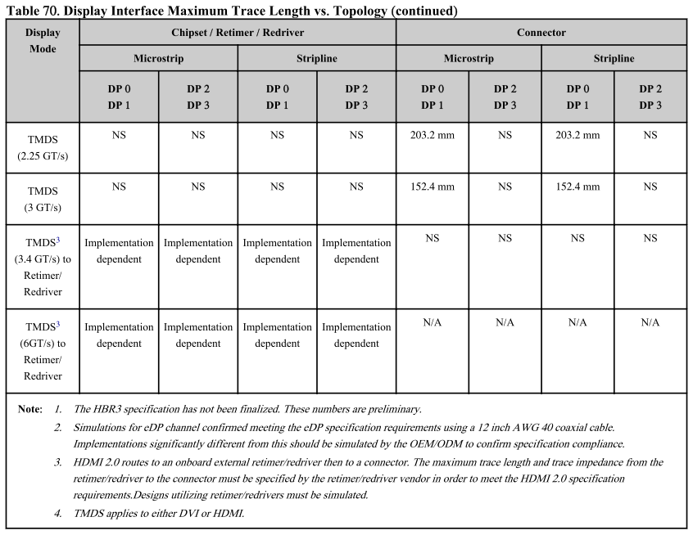
C44 | HDMI3_HPD | I | 3.3V / 3.3V | HDMI/DVI Hot-Plug Detect |  |  | ASAP
 |  |  |  |  |  |  | 1. Apollo Lake to HDMI/DVI Conn. with Cost Reduce Level Shifter (2.97Gbps) - L < 4600
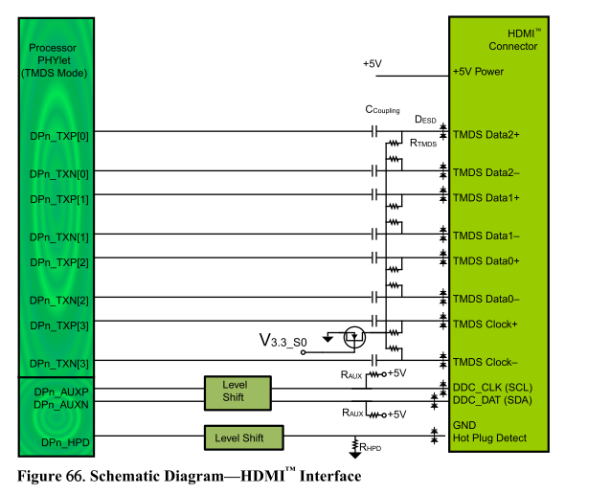
 |  |  |  |  |  |  | 2. Apollo Lake to HDMI/DVI Conn. with Active Level Shifter - L < 7000

 |  |  |  |  |  |  | 2

DDI-DisplayPort
Pin No. | DDI-DisplayPort | SOM-5871 Baseboard Width/ Space/ Other space [mils] |  | V1000 FP5 Checklist Length[mils] | SOM-5871 A101-3 Module Length[mils] | COME to AC Coupling Length[mils] | AC Coupling to ESD Length[mils] | ESD to DisplayPort Conn. Length[mils] | SOM-5871 A101-3 Baseboard Length[mils] | SOM-5871 A101-3 Total Length[mils] | Intra-pair Length Matching[mils] | Maximum length mismatch between data lanes[mils]
 |  | Inner Layer | Outer Layer | 2.DP2 HBR3 w/ Redriver + DP1 and DP3 HBR2 |  |  | L > 500 | L > 500 |  | DP2 L< FAE DP1,3 L< 7000 | L < 5 | L < 1800
D26 | DP1_LANE0+ | DP - 85 Ω ± 10% SE - 50 Ω ± 10% | DP - 85 Ω ± 15% SE - 50 Ω ± 15% | L< 7000 | 4385.31 |  |  |  | 0 | 4385.31 | 0.5 | 326.87
D27 | DP1_LANE0- |  |  | L< 7000 | 4384.81 |  |  |  | 0 | 4384.81
D29 | DP1_LANE1+ |  |  | L< 7000 | 4154.12 |  |  |  | 0 | 4154.12 | 0.24
D30 | DP1_LANE1- |  |  | L< 7000 | 4154.36 |  |  |  | 0 | 4154.36
D32 | DP1_LANE2+ |  |  | L< 7000 | 4082.3 |  |  |  | 0 | 4082.3 | 0.22
D33 | DP1_LANE2- |  |  | L< 7000 | 4082.08 |  |  |  | 0 | 4082.08
D36 | DP1_LANE3+ |  |  | L< 7000 | 4059.27 |  |  |  | 0 | 4059.27 | 0.83
D37 | DP1_LANE3- |  |  | L< 7000 | 4058.44 |  |  |  | 0 | 4058.44
D39 | DP2_LANE0+ |  |  | L< 0000 | 4612.27 |  |  |  | 0 | 4612.27 | 0.69 | 693.11
D40 | DP2_LANE0- |  |  | L< 0000 | 4612.96 |  |  |  | 0 | 4612.96
D42 | DP2_LANE1+ |  |  | L< 0000 | 3919.85 |  |  |  | 0 | 3919.85 | 0.52
D43 | DP2_LANE1- |  |  | L< 0000 | 3920.37 |  |  |  | 0 | 3920.37
D46 | DP2_LANE2+ |  |  | L< 0000 | 4109.47 |  |  |  | 0 | 4109.47 | 0.15
D47 | DP2_LANE2- |  |  | L< 0000 | 4109.62 |  |  |  | 0 | 4109.62
D49 | DP2_LANE3+ |  |  | L< 0000 | 4427.24 |  |  |  | 0 | 4427.24 | 0.4
D50 | DP2_LANE3- |  |  | L< 0000 | 4426.84 |  |  |  | 0 | 4426.84
C39 | DP3_LANE0+ |  |  | L< 7000 | 5715.78 |  |  |  | 0 | 5715.78 | 1.66 | 825.35
C40 | DP3_LANE0- |  |  | L< 7000 | 5717.44 |  |  |  | 0 | 5717.44
C42 | DP3_LANE1+ |  |  | L< 7000 | 5051.5 |  |  |  | 0 | 5051.5 | 1.56
C43 | DP3_LANE1- |  |  | L< 7000 | 5053.06 |  |  |  | 0 | 5053.06
C46 | DP3_LANE2+ |  |  | L< 7000 | 4896.53 |  |  |  | 0 | 4896.53 | 0.11
C47 | DP3_LANE2- |  |  | L< 7000 | 4896.64 |  |  |  | 0 | 4896.64
C49 | DP3_LANE3+ |  |  | L< 7000 | 4892.32 |  |  |  | 0 | 4892.32 | 0.23
C50 | DP3_LANE3- |  |  | L< 7000 | 4892.09 |  |  |  | 0 | 4892.09
Pin No. | DDI-DisplayPort | SOM-5871 Baseboard Width/ Space/ Other space [mils] |  | V1000 FP5 Checklist Length[mils] | SOM-5871 A101-3 Module Length[mils] |  |  |  | SOM-5871 A101-3 Baseboard Length[mils] | SOM-5871 A101-3 Total Length[mils] | Intra-pair Length Matching[mils]
 |  | Inner Layer | Outer Layer | V1000 FP5 to DisplayPort Connector - AUX Channel - L < 7000 |  |  |  |  |  | L < 7000 | L < 5
D15 | DP1_AUX+ | DP - 85 Ω ± 10% SE - 50 Ω ± 10% | DP - 85 Ω ± 15% SE - 50 Ω ± 15% | L < 7000 | 4281.92 |  |  |  |  | 4281.92 | 0.08
D16 | DP1_AUX- |  |  | L < 7000 | 4282 |  |  |  |  | 4282
C32 | DP2_AUX+ |  |  | L < 7000 | 4403.99 |  |  |  |  | 4403.99 | 0.52
C33 | DP2_AUX- |  |  | L < 7000 | 4403.47 |  |  |  |  | 4403.47
C36 | DP3_AUX+ |  |  | L < 7000 | 5217.73 |  |  |  |  | 5217.73 | 1.07
C37 | DP3_AUX- |  |  | L < 7000 | 5218.8 |  |  |  |  | 5218.8
 |  | Inner Layer | Outer Layer
C24 | DP1_HPD | SE - 50 Ω ± 10% | SE - 50 Ω ± 15% | ASAP
D44 | DP2_HPD |  |  | ASAP
C44 | DP3_HPD |  |  | ASAP
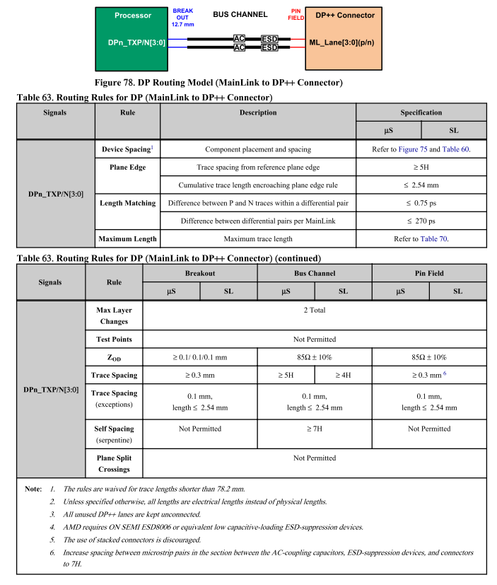
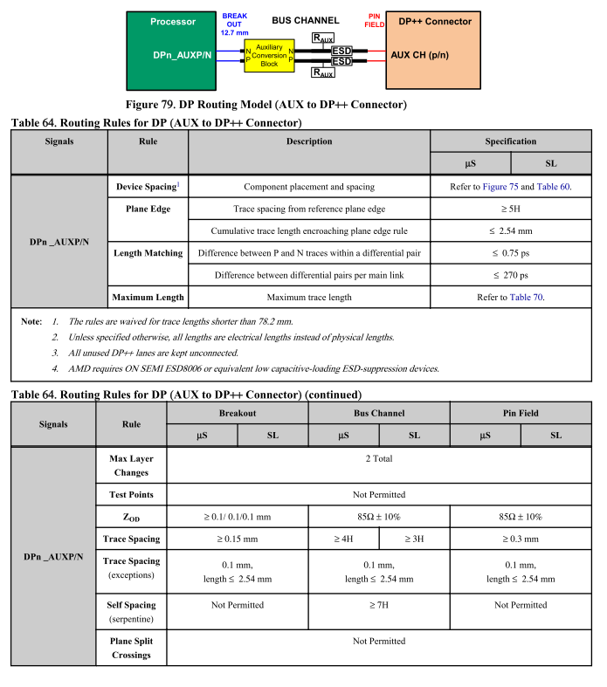
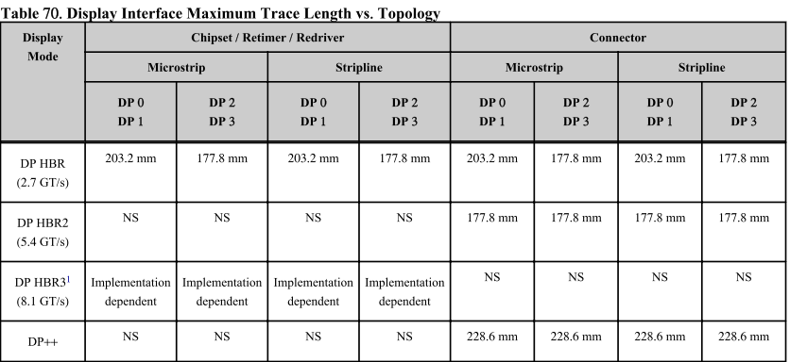
 |  |  |  | 1. Apollo Lake to DisplayPort Connector with Common Mode Chokes - L < 6500
 |  |  |  | 2. Apollo Lake to DisplayPort Connector w/o Common Mode Chokes - L < 7500
 |  |  |  | 2
 |  |  |  | 1. Apollo Lake to DisplayPort Connector - AUX Channel - L < 10000

 |  |  |  | 2

﻿USB
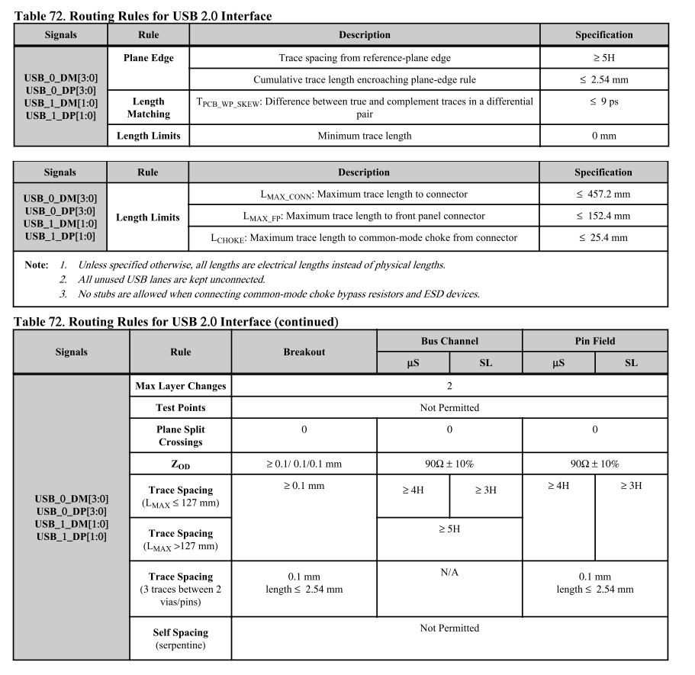
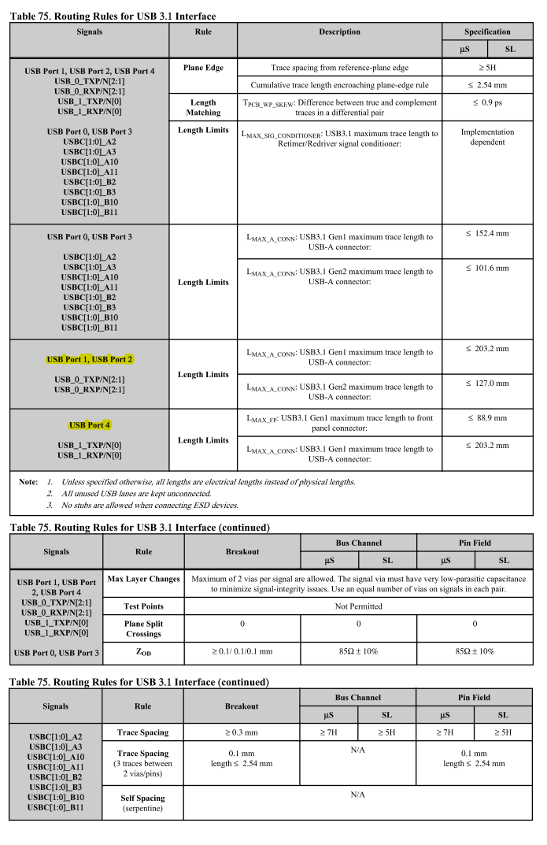
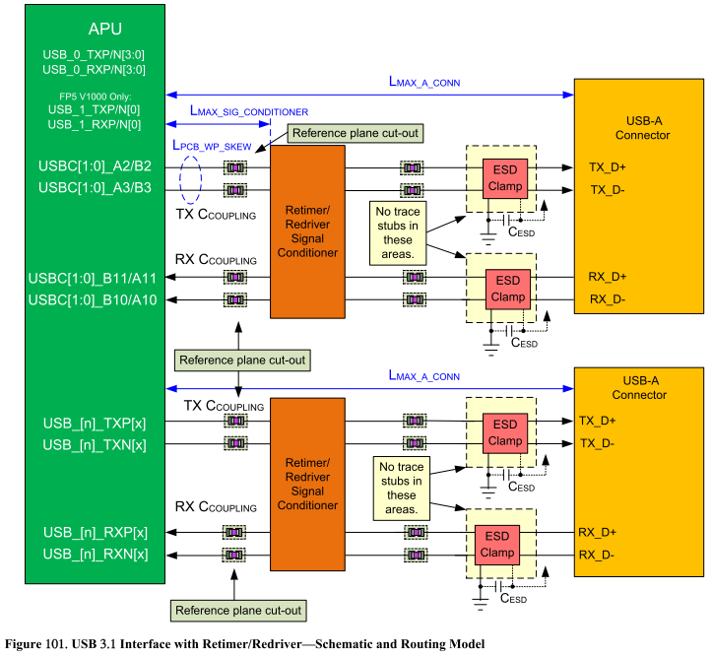
Pin No. | USB | Pin Type | Pwr Rail / Tolerance | Description | SOM-5871 Baseboard Width/ Space/ Other space [mils] |  | V1000 FP5 Checklist | SOM-5871 A101-3 Module Length[mils] | COME to CM Choke(CMC) Length[mils] | CM Choke to ESD Length[mils] | ESD to USB Connector Length[mils] | SOM-5871 A101-3 Baseboard Length[mils] | SOM-5871 A101-3 Total Length[mils] | Intra-pair Length Matching[mils]
 |  |  |  |  | Inner Layer | Outer Layer | 1.SOM-5871 w/ USB2.0 Hub |  |  | L < 150 | L < 500 |  | L< 18000 L< 6000 | L < 60
A46 | USB0+ | I/O USB | 3.3V / 3.3V Suspend | USB differential pairs, channels 0 through 7 | DP - 85 Ω ± 10% SE - 50 Ω ± 10% | DP - 85 Ω ± 15% SE - 50 Ω ± 15% | L< 18000 | 2947.48 |  |  |  | 0 | 2947.48 | 0.85
A45 | USB0- |  |  |  |  |  | L< 18000 | 2948.33 |  |  |  | 0 | 2948.33
B46 | USB1+ |  |  |  |  |  | L< 18000 | 3341.1 |  |  |  | 0 | 3341.1 | 0.52
B45 | USB1- |  |  |  |  |  | L< 18000 | 3340.58 |  |  |  | 0 | 3340.58
A43 | USB2+ |  |  |  |  |  | L< 18000 | 3734.34 |  |  |  | 0 | 3734.34 | 0.71
A42 | USB2- |  |  |  |  |  | L< 18000 | 3735.05 |  |  |  | 0 | 3735.05
B43 | USB3+ |  |  |  |  |  | L< 18000 | 3281.13 |  |  |  | 0 | 3281.13 | 1.76
B42 | USB3- |  |  |  |  |  | L< 18000 | 3279.37 |  |  |  | 0 | 3279.37
A40 | USB4+ |  |  |  |  |  | L< 18000 | 3410.56 |  |  |  | 0 | 3410.56 | 0.44
A39 | USB4- |  |  |  |  |  | L< 18000 | 3411 |  |  |  | 0 | 3411
B40 | USB5+ |  |  |  |  |  | L< 6000 | 1067.63 |  |  |  | 0 | 1067.63 | 6.34
B39 | USB5- |  |  |  |  |  | L< 6000 | 1061.29 |  |  |  | 0 | 1061.29
A37 | USB6+ |  |  |  |  |  | L< 6000 | 978.92 |  |  |  | 0 | 978.92 | 1.54
A36 | USB6- |  |  |  |  |  | L< 6000 | 977.38 |  |  |  | 0 | 977.38
B37 | USB7+ |  |  |  |  |  | L< 6000 | 696.23 |  |  |  | 0 | 696.23 | 0.97
B36 | USB7- |  |  |  |  |  | L< 6000 | 697.2 |  |  |  | 0 | 697.2
Pin No. | USB | Pin Type | Pwr Rail / Tolerance | Description | SOM-5871 Baseboard Width/ Space/ Other space [mils] |  | V1000 FP5 Checklist | SOM-5871 A101-3 Module Length[mils] | COME to ESD Length[mils] | NA | ESD to USB Connector Length[mils] | SOM-5871 A101-3 Baseboard Length[mils] | SOM-5871 A101-3 Total Length[mils] | Intra-pair Length Matching[mils]
 |  |  |  |  | Inner Layer | Outer Layer | 2. V1000 FP5 to USB3.1 connector (USB3.1 Gen1) |  |  | NA | 200 < L < 500 |  | L< 5000( Gen2) L< 8000(Gen1) | L < 6
D4 | USB_SSTX0+ | O PCIE | AC coupled on Module | Additional transmit signal differential pairs for the SuperSpeed USB data path. | DP - 85 Ω ± 10% SE - 50 Ω ± 10% | DP - 85 Ω ± 15% SE - 50 Ω ± 15% | L< 8000 | 2268.18 |  | N/A |  | 0 | 2268.18 | 0.52
D3 | USB_SSTX0- |  |  |  |  |  | L< 8000 | 2267.66 |  |  |  | 0 | 2267.66
D7 | USB_SSTX1+ | O PCIE | AC coupled on Module | Additional transmit signal differential pairs for the SuperSpeed USB data path. |  |  | L< 8000 | 2182.85 |  | N/A |  | 0 | 2182.85 | 0.1
D6 | USB_SSTX1- |  |  |  |  |  | L< 8000 | 2182.95 |  |  |  | 0 | 2182.95
D10 | USB_SSTX2+ | O PCIE | AC coupled on Module | Additional transmit signal differential pairs for the SuperSpeed USB data path. |  |  | L< 8000 | 2185.02 |  | N/A |  | 0 | 2185.02 | 0.61 | USB3.1 Gen1 only.
D9 | USB_SSTX2- |  |  |  |  |  | L< 8000 | 2184.41 |  |  |  | 0 | 2184.41 |  | USB3.1 Gen1 only.
D13 | USB_SSTX3+ | O PCIE | AC coupled on Module | Additional transmit signal differential pairs for the SuperSpeed USB data path. |  |  | N/A | N/A | N/A | N/A | N/A | N/A | N/A | N/A
D12 | USB_SSTX3-
C4 | USB_SSRX0+ | I PCIE | AC coupled on Module | Additional receive signal differential pairs for the SuperSpeed USB data path. |  |  | L< 8000 | 2156.7 |  | N/A |  | 0 | 2156.7 | 0.76
C3 | USB_SSRX0- |  |  |  |  |  | L< 8000 | 2157.46 |  |  |  | 0 | 2157.46
C7 | USB_SSRX1+ | I PCIE | AC coupled on Module | Additional receive signal differential pairs for the SuperSpeed USB data path. |  |  | L< 8000 | 2297.26 |  | N/A |  | 0 | 2297.26 | 0.47
C6 | USB_SSRX1- |  |  |  |  |  | L< 8000 | 2297.73 |  |  |  | 0 | 2297.73
C10 | USB_SSRX2+ | I PCIE | AC coupled on Module | Additional receive signal differential pairs for the SuperSpeed USB data path. |  |  | L< 8000 | 2073.41 |  | N/A |  | 0 | 2073.41 | 0.24 | USB3.1 Gen1 only.
C9 | USB_SSRX2- |  |  |  |  |  | L< 8000 | 2073.17 |  |  |  | 0 | 2073.17 |  | USB3.1 Gen1 only.
C13 | USB_SSRX3+ | I PCIE | AC coupled on Module | Additional receive signal differential pairs for the SuperSpeed USB data path. |  |  | N/A | N/A | N/A | N/A | N/A | N/A | N/A | N/A
C12 | USB_SSRX3-
 |  |  |  |  | Inner Layer | Outer Layer
B44 | USB_0_1_OC# | I CMOS | 3.3V / 3.3V Suspend | USB over-current sense, USB channels 0 and 1. A pull-up for this line shall be present on the module. An open drain driver from a USB current monitor on the Carrier Board may drive this line low. Do not pull this line high on the Carrier Board. | SE - 50 Ω ± 10% | SE - 50 Ω ± 15% | ASAP
A44 | USB_2_3_OC# | I CMOS | 3.3V / 3.3V Suspend | USB over-current sense, USB channels 2 and 3. A pull-up for this line shall be present on the module. An open drain driver from a USB current monitor on the Carrier Board may drive this line low. Do not pull this line high on the Carrier Board. |  |  | ASAP
B38 | USB_4_5_OC# | I CMOS | 3.3V / 3.3V Suspend | USB over-current sense, USB channels 4 and 5. A pull-up for this line shall be present on the module. An open drain driver from a USB current monitor on the Carrier Board may drive this line low. Do not pull this line high on the Carrier Board. |  |  | ASAP
A38 | USB_6_7_OC# | I CMOS | 3.3V / 3.3V Suspend | USB over-current sense, USB channels 6 and 7. A pull-up for this line shall be present on the module. An open drain driver from a USB current monitor on the Carrier Board may drive this line low. Do not pull this line high on the Carrier Board. |  |  | ASAP
B48 | USB0_HOST_PRSNT | I CMOS | 3.3V / 3.3V Suspend | Module USB client may may detect the presence of a USB host on USB0. A high value indicates that a host is present. |  |  | N/A
A38 | USB7_HOST_PRSNT | I CMOS | 3.3V / 3.3V Suspend | Module USB client y may detect the presence of a USB host on USB7. A high value indicates that a host is present. |  |  | N/A
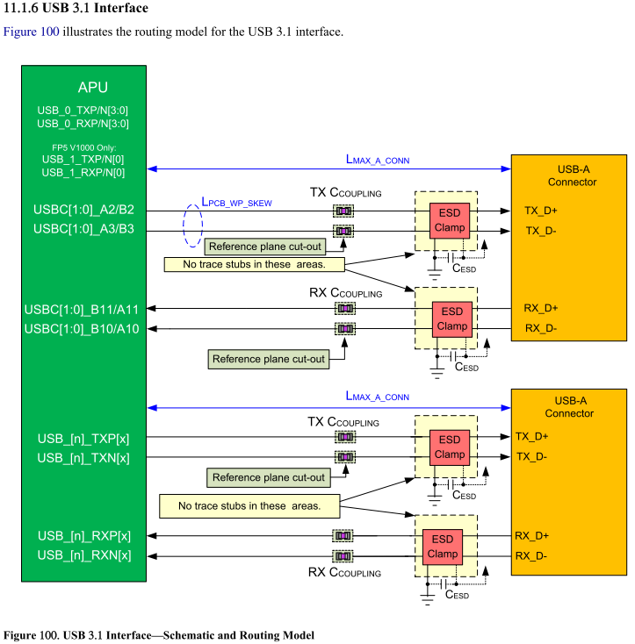
ASAP - As short as possible
DP - Differential Pair
SE - Single End

USB_SSTX/RX[1:0] support USB 3.1 GEN 2, USB_SSTX/RX 2 support USB 3.1 GEN 1 ONLY.

LVDS Flat Panel (LVDS)
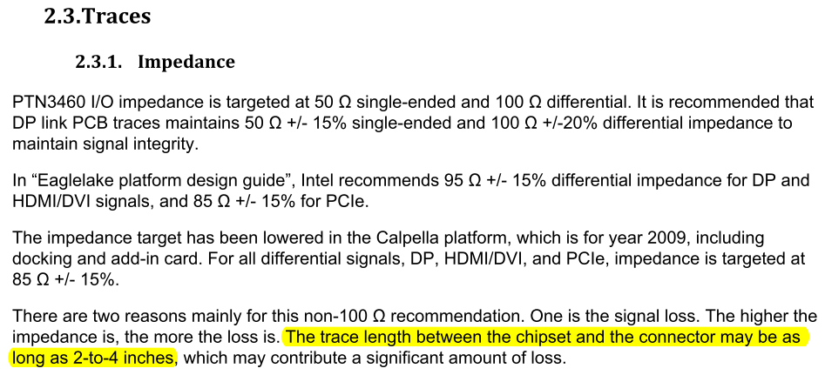
Pin No. | LVDS Flat Panel | Pin Type | Pwr Rail / Tolerance | Description | SOM-5871 Baseboard Width/ Space/ Other space [mils] |  | NXP_PTN3460IBS Checklist Length[mils] | SOM-5871 A101-3 Module Length[mils] | SOM-5871 A101-3 Baseboard Length[mils] | SOM-5871 A101-3 Total Length[mils] | Intra-pair Length Matching[mils] | Inter-pair Length Matching[mils]
 |  |  |  |  | Inner Layer | Outer Layer | NXP_PTN3460IBS to LVDS Connector |  |  | L < 4000 | L < 5 | L < 100
A71 | LVDS_A0+ | O LVDS | - | LVDS Channel A differential pairs | DP - 85Ω ± 10% SE - 50 Ω ± 10% | DP - 85 Ω ± 15% SE - 50 Ω ± 15% | L < 4000 | 1352.24 |  | 1352.24 | 0.31 | 6
A72 | LVDS_A0- |  |  |  |  |  | L < 4000 | 1352.55 |  | 1352.55
A73 | LVDS_A1+ |  |  |  |  |  | L < 4000 | 1350.52 |  | 1350.52 | 1
A74 | LVDS_A1- |  |  |  |  |  | L < 4000 | 1351.52 |  | 1351.52
A75 | LVDS_A2+ |  |  |  |  |  | L < 4000 | 1349.98 |  | 1349.98 | 0.48
A76 | LVDS_A2- |  |  |  |  |  | L < 4000 | 1350.46 |  | 1350.46
A78 | LVDS_A3+ |  |  |  |  |  | L < 4000 | 1348.52 |  | 1348.52 | 0.45
A79 | LVDS_A3- |  |  |  |  |  | L < 4000 | 1348.07 |  | 1348.07
A81 | LVDS_A_CK+ | O LVDS |  | LVDS Channel A differential clock |  |  | L < 4000 | 1354.07 |  | 1354.07 | 0.39
A82 | LVDS_A_CK- |  |  |  |  |  | L < 4000 | 1353.68 |  | 1353.68
B71 | LVDS_B0+ | O LVDS |  | LVDS Channel B differential pairs |  |  | L < 4000 | 1349.79 |  | 1349.79 | 0.29 | 2.57
B72 | LVDS_B0- |  |  |  |  |  | L < 4000 | 1350.08 |  | 1350.08
B73 | LVDS_B1+ |  |  |  |  |  | L < 4000 | 1348.88 |  | 1348.88 | 0.7
B74 | LVDS_B1- |  |  |  |  |  | L < 4000 | 1348.18 |  | 1348.18
B75 | LVDS_B2+ |  |  |  |  |  | L < 4000 | 1348.28 |  | 1348.28 | 0.79
B76 | LVDS_B2- |  |  |  |  |  | L < 4000 | 1349.07 |  | 1349.07
B77 | LVDS_B3+ |  |  |  |  |  | L < 4000 | 1349.77 |  | 1349.77 | 0.98
B78 | LVDS_B3- |  |  |  |  |  | L < 4000 | 1350.75 |  | 1350.75
B81 | LVDS_B_CK+ | O LVDS |  | LVDS Channel B differential clock |  |  | L < 4000 | 1349.28 |  | 1349.28 | 0.23
B82 | LVDS_B_CK- |  |  |  |  |  | L < 4000 | 1349.05 |  | 1349.05
 |  |  |  |  | Inner Layer | Outer Layer
A83 | LVDS_I2C_CK | O CMOS | 3.3V / 3.3V | I2C clock output for LVDS display use | SE - 50 Ω ± 10% | SE - 50 Ω ± 15% | ASAP
A84 | LVDS_I2C_DAT | I/O OD CMOS | 3.3V / 3.3V | I2C data line for LVDS display use |  |  | ASAP
A77 | LVDS_VDD_EN | O CMOS | 3.3V / 3.3V | LVDS panel power enable |  |  | ASAP
B79 | LVDS_BKLT_EN | O CMOS | 3.3V / 3.3V | LVDS panel backlight enable |  |  | ASAP
B83 | LVDS_BKLT_CTRL | O CMOS | 3.3V / 3.3V | LVDS panel backlight brightness control |  |  | ASAP

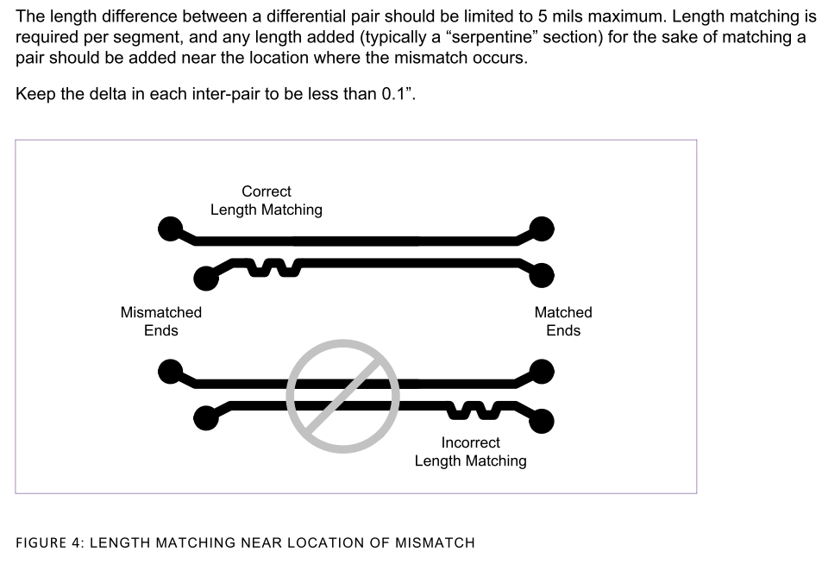
ASAP - As short as possible
DP - Differential Pair
SE - Single End

eDP
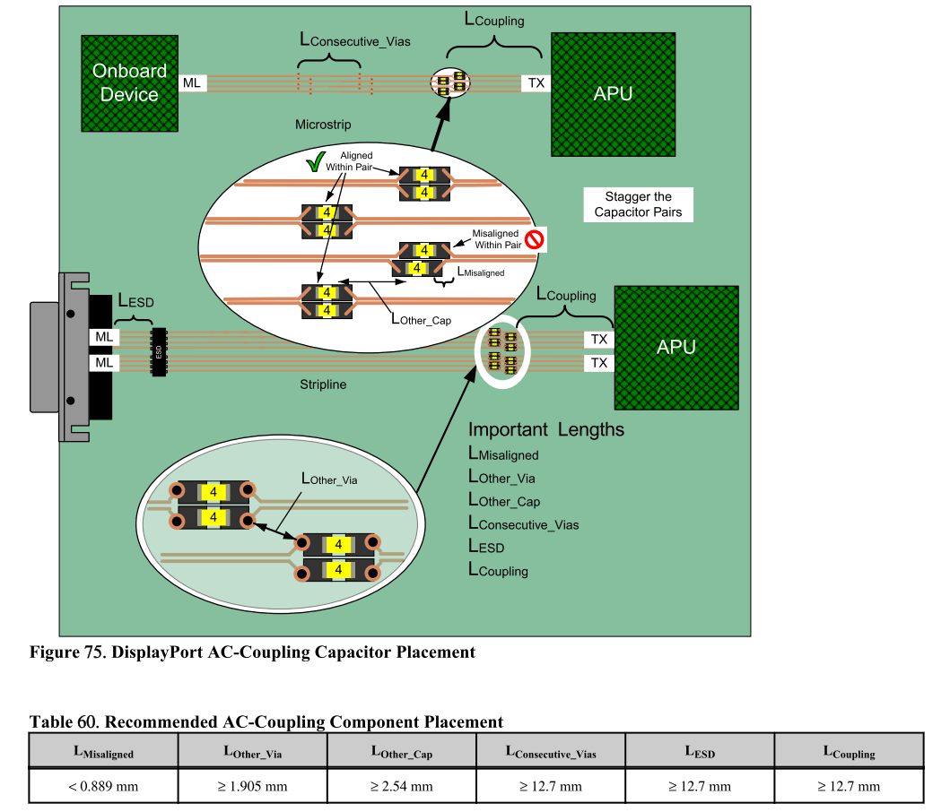
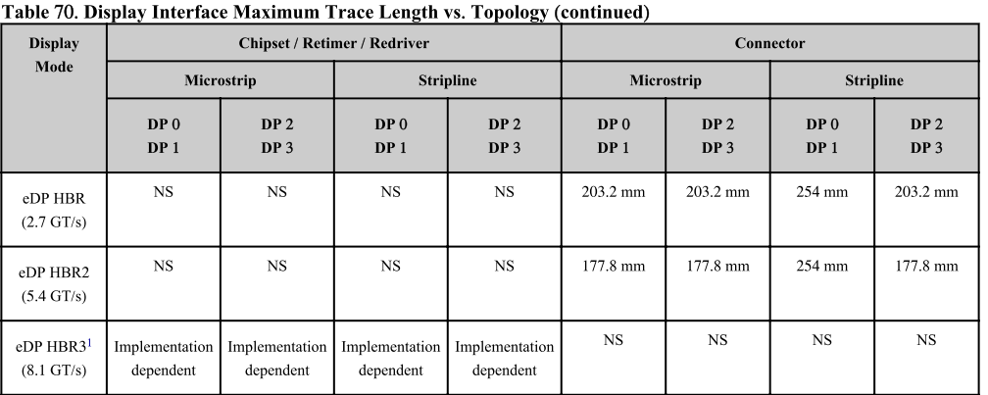
Pin No. | LVDS Flat Panel | Pin Type | Pwr Rail / Tolerance | Description | SOM-5871 Baseboard Width/ Space/ Other space [mils] |  | V1000 FP5 Checklist Length[mils] | SOM-5871 A101-3 Module Length[mils] | SOM-5871 A101-3 Baseboard Length[mils] | SOM-5871 A101-3 Total Length[mils] | Intra-pair Length Matching[mils] | Inter-pair Length Matching[mils]
 |  |  |  |  | Inner Layer | Outer Layer | 1.V1000 FP5 to eDP connector (for HBR2) |  |  | L< 7000 | L < 5 | L < 3066
A71 | eDP_TX2+ | O PCIE | AC coupled off Module | eDP differential pairs | DP - 85Ω ± 10% SE - 50 Ω ± 10% | DP - 85 Ω ± 15% SE - 50 Ω ± 15% | L< 7000 | 4422.84 |  | 4422.84 | 2.47 | 264.06
A72 | eDP_TX2- |  |  |  |  |  | L< 7000 | 4425.31 |  | 4425.31
A73 | eDP_TX1+ |  |  |  |  |  | L< 7000 | 4251.94 |  | 4251.94 | 0.78
A74 | eDP_TX1- |  |  |  |  |  | L< 7000 | 4251.16 |  | 4251.16
A75 | eDP_TX0+ |  |  |  |  |  | L< 7000 | 4497.47 |  | 4497.47 | 0.11
A76 | eDP_TX0- |  |  |  |  |  | L< 7000 | 4497.36 |  | 4497.36
A81 | eDP_TX3+ |  |  |  |  |  | L< 7000 | 4515.22 |  | 4515.22 | 1.55
A82 | eDP_TX3- |  |  |  |  |  | L< 7000 | 4513.67 |  | 4513.67
 |  |  |  |  | Inner Layer | Outer Layer | Apollo lake to eDP Connector |  |  | L< 7000 | L < 5
A83 | eDP_AUX+ | I/O PCIE | AC coupled off Module | eDP_AUX+ | DP - 85Ω ± 10% SE - 50 Ω ± 10% | DP - 85 Ω ± 15% SE - 50 Ω ± 15% | L< 7000 | 4003.08 |  | 4003.08 | 1.12
A84 | eDP_AUX- | I/O PCIE | AC coupled off Module | eDP_AUX- |  |  | L< 7000 | 4001.96 |  | 4001.96
 |  |  |  |  | Inner Layer | Outer Layer | Apollo lake to eDP Connector
A87 | eDP_HPD | I CMOS | 3.3V / 3.3V | Detection of Hot Plug / Unplug and notification of the link layer | SE - 50 Ω ± 10% | SE - 50 Ω ± 15% | ASAP
A77 | eDP_VDD_EN | O CMOS | 3.3V / 3.3V | eDP power enable |  |  | ASAP
B79 | eDP_BKLT_EN | O CMOS | 3.3V / 3.3V | eDP backlight enable |  |  | ASAP
B83 | eDP_BKLT_CTRL | O CMOS | 3.3V / 3.3V | eDP backlight brightness control |  |  | ASAP

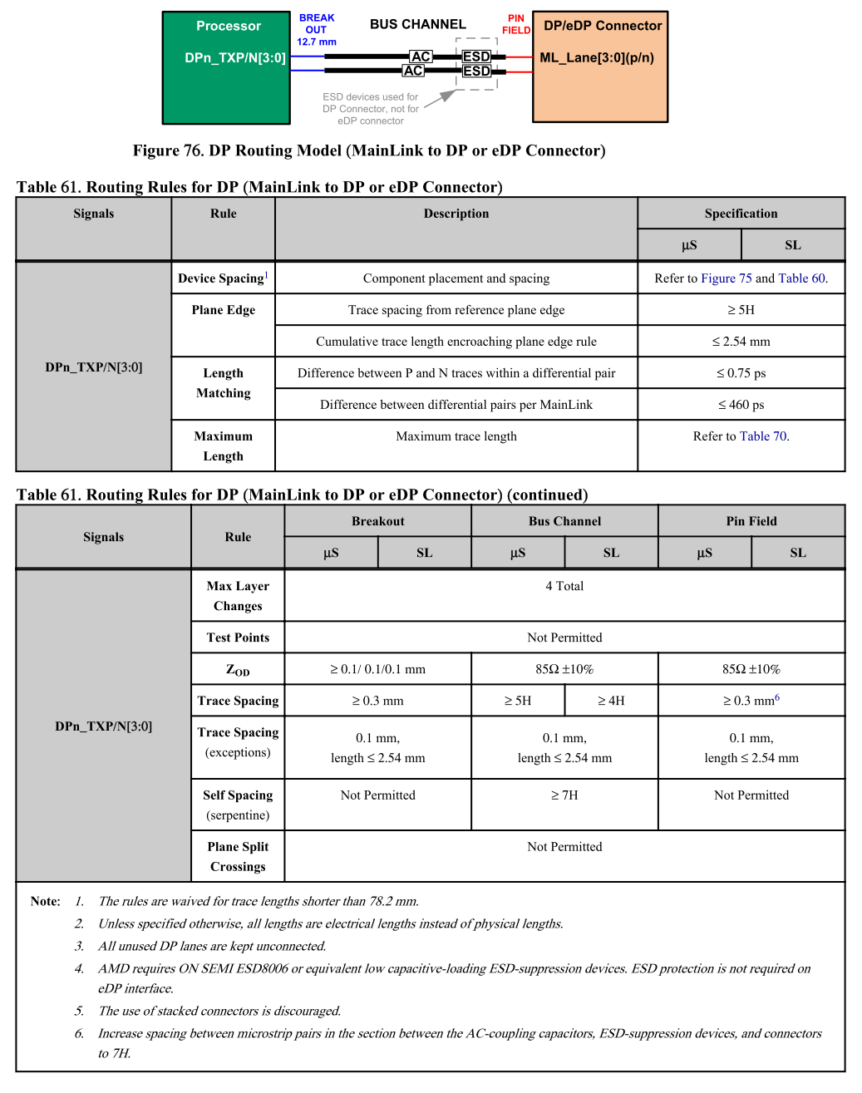
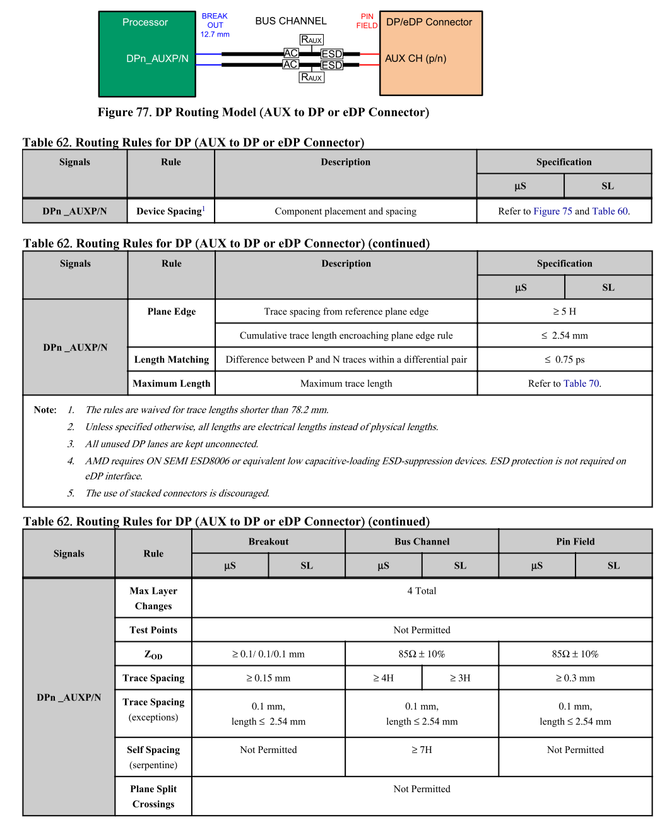
ASAP - As short as possible
DP - Differential Pair
SE - Single End

LPC and eSPI Interface
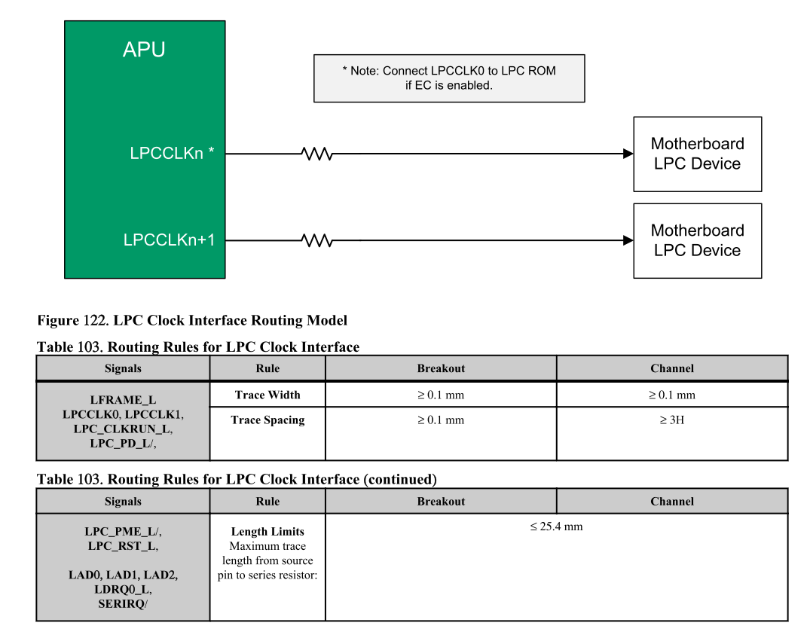
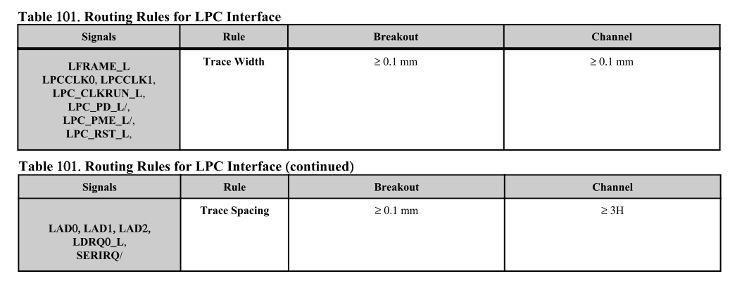
Pin No. | LPC / eSPI Interface | Pin Type | Pwr Rail / Tolerance | Description | SOM-5871 Baseboard Width/ Data space/ Clock space [mils] |  | V1000 FP5 Checklist Length[mils] | SOM-5871 A101-3 Module Length[mils] | SOM-5871 A101-3 Baseboard Length[mils] | SOM-5871 A101-3 Total Length[mils] | Inter-pair Length Matching[mils]
 |  |  |  |  | Inner Layer | Outer Layer | V1000 FP5 to LPC Device |  |  | L < 13000 | Length Matching between CLK and DAT |L| < 500
B10 | LPC_CLK / ESPI_CK | O CMOS | 3.3V / 3.3V | LPC clock output - 33MHz nominal Carrier Board LPC devices should be clocked with the LPC clock provided by the module interface. LPC clock length guidelines are the same as those for the PCI clock. | SE - 50Ω ± 10% | SE - 50Ω ± 15% | L < 13000 | 5649.49 |  | 5649.49
 |  |  | 1.8V Suspend / 1.8V | ESPI Mode: eSPI Master Clock Output This pin provides the reference timing for all the serial input and output operations.
B4 | LPC_AD0/ ESPI_IO_0 | I/O CMOS | 3.3V / 3.3V | LPC multiplexed address, command and data bus |  |  | L < 13000 | 5546.7 |  | 5546.7 | 102.79
B5 | LPC_AD1/ ESPI_IO_1 |  |  |  |  |  | L < 13000 | 5659.84 |  | 5659.84 | 10.35
B6 | LPC_AD2/ ESPI_IO_2 |  | 1.8V Suspend / 1.8V | ESPI Mode: eSPI Master Data Input / Outputs These are bi-directional input/output pins used to transfer data between master and slaves. Multiplexed with LPC_AD[0:3] |  |  | L < 13000 | 5606.85 |  | 5606.85 | 42.64
B7 | LPC_AD3/ ESPI_IO_3 |  |  |  |  |  | L < 13000 | 5764.8 |  | 5764.8 | 115.31
B3 | LPC_FRAME# / ESPI_CS0# | O CMOS | 3.3V / 3.3V | LPC frame indicates the start of an LPC cycle |  |  | L < 13000 | 5517.68 |  | 5517.68
 |  |  | 1.8V Suspend / 1.8V | ESPI Mode: eSPI Master Chip Select Outputs Driving Chip Select0#. A low selects a particular eSPI slave for the transaction. Each of the eSPI slaves is connected to a dedicated Chip Selectn# pin.
B8 | LPC_DRQ0# / ESPI_ALERT0# | I CMOS | 3.3V / 3.3V | LPC serial DMA request | N/A | N/A | N/A | N/A | N/A | N/A
B9 | LPC_DRQ1# / ESPI_ALERT1# |  | 1.8V Suspend / 1.8V | ESPI Mode: eSPI pins used by eSPI slave to request service from the eSPI master. | N/A | N/A | N/A | N/A | N/A | N/A
B47 | ESPI_EN# | I CMOS | NA | This signal is used by he Carrier to indicate the operating mode of the LPC/eSPI bus. If left unconnected on he carrier, LPC mode (default) is selected. If pulled to GND on the carrier, eSPI mode is selected. This signal is pulled to a logic high on the module through a resistor. The Carrier should only float his line or pull it low. | N/A | N/A | N/A | N/A | N/A | N/A
A50 | LPC_SERIRQ / ESPI_CS1# | I/O CMOS | 3.3V / 3.3V | LPC serial interrupt | SE - 50Ω ± 10% | SE - 50Ω ± 15% | L < 13000 | 4398.64 |  | 4398.64
 |  | O CMOS | 1.8V Suspend / 1.8V | ESPI Mode: eSPI Master Chip Select Outputs Driving Chip Select# A low selects a particular eSPI slave for the transaction. Each of the eSPI slaves is connected to a dedicated Chip Selectn# pin.

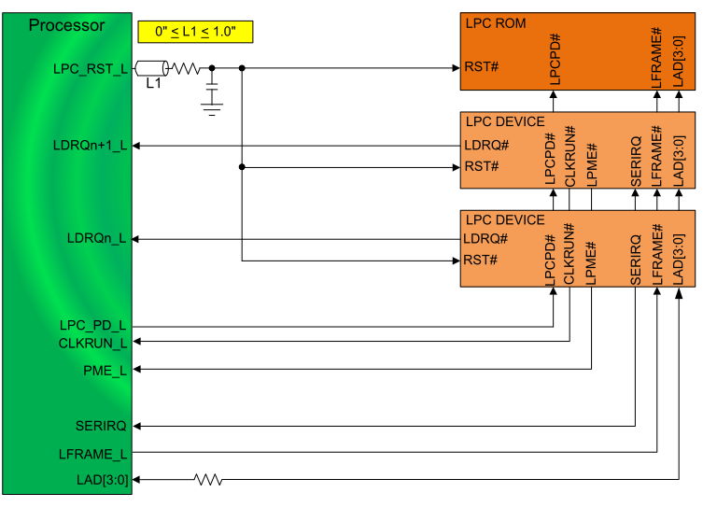
ASAP - As short as possible
DP - Differential Pair
SE - Single End

SPI
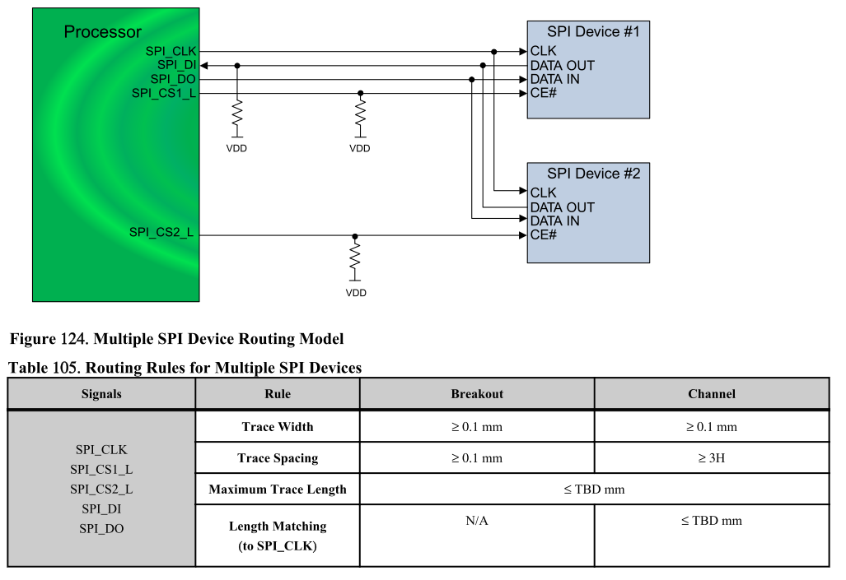
Pin No. | SPI | Pin Type | Pwr Rail / Tolerance | Description | SOM-5871 Baseboard Width/ Data space/ Clock space [mils] |  | V1000 FP5 Checklist Length[mils] | SOM-5871 A101-3 Module Length[mils] | SOM-5871 A101-3 Baseboard Length[mils] | SOM-5871 A101-3 Total Length[mils] | SPI_MOSI, SPI_CS# to SPI_CLK Length Matching[mils] | Series resistor to SPI Device Length[mils]
 |  |  |  |  | Inner Layer | Outer Layer | Apollo Lake to SPI Flash - L < 5800 | 1. CS0# |  | L < 5000 | L < 500 | 500 < L < 1500
A94 | SPI_CLK | O CMOS | 3.3V Suspend / 3.3V | Clock from Module to Carrier SPI | SE - 50Ω ± 10% | SE - 50Ω ± 15% | L < 5000 | 3771.15 |  | 3771.15
A95 | SPI_MOSI | O CMOS | 3.3V Suspend / 3.3V | Data out from Module to Carrier SPI |  |  | L < 5000 | 3698.17 |  | 3698.17 | 72.98
B97 | SPI_CS# | O CMOS | 3.3V Suspend / 3.3V | Chip select for Carrier Board SPI - may be sourced from chipset SPI0 or SPI1 |  |  | L < 5000 | 3722.59 |  | 3722.59 | 48.56
A92 | SPI_MISO | I CMOS | 3.3V Suspend / 3.3V | Data in to Module from Carrier SPI |  |  | L < 5000 | 3801.19 |  | 3801.19 | 30.04
A91 | SPI_POWER | O | 3.3V Suspend / 3.3V | Power supply for Carrier Board SPI – sourced from Module – nominally 3.3V. The Module shall provide a minimum of 100mA on SPI_POWER. Carriers shall use less than 100mA of SPI_POWER. SPI_POWER shall only be used to power SPI devices on the Carrier |  |  | ASAP

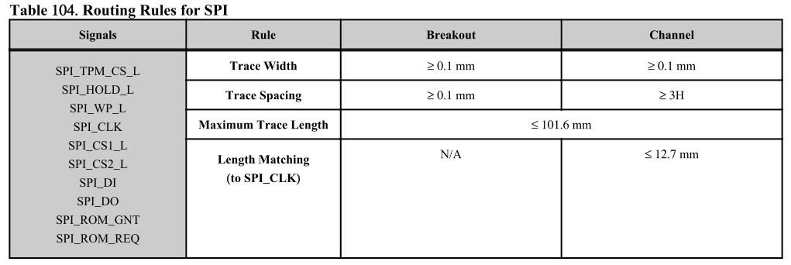
 |  |  |  |  |  |  |  | 1. CS0#
 |  |  |  |  |  |  |  | 2. CS1#
 |  |  |  |  |  |  |  | 2

Mechanical Specifications
Mechanical Specifications
Module Size - Compact Module
The PCB size for the Compact Module shall be 95mm x 95mm. The PCB thickness should be 2mm to allow high layer count stack-ups and facilitate a standard ‘z’ dimension between the Carrier Board and the top of the heat-spreader (See “Heat-Spreader“). The holes shown in this drawing are intended for mounting the Module / heat-spreader combination to the Carrier Board. An independent, implementation specific set of holes and spacers shall be used to attach the heat-spreader to the Module.
Compact Module Form Factor
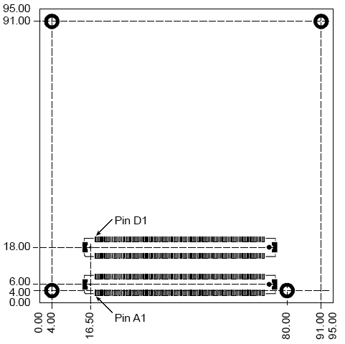
All dimensions are shown in millimeters. Tolerances shall be ± 0.25mm [±0.010"], unless noted otherwise. The 440 pin connector pair shall be mounted on the backside of the PCB and is seen “through” the board in this view. The four mounting holes shown shall use 6 mm diameter pads and have 2.7 mm plated holes, for use with 2.5 mm hardware. The pads shall be tied to the PCB ground plane. Modules shall include the 4 mounting holes as shown in Figure 6-1 above. These holes are primarily used to attach the module to the carrier.
Module Size — Basic Module
The PCB size for the Basic Module shall be 125mm x 95mm. The PCB thickness should be 2mm to allow high layer count stack-ups and facilitate a standard ‘z’ dimension between the Carrier Board and the top of the heat-spreader. (See “Heat-Spreader”). The holes shown in this drawing are intended for mounting the module / heat-spreader combination to the Carrier Board. An independent, implementation specific set of holes and spacers shall be used to attach the heat-spreader to the module.
Basic Module Form Factor
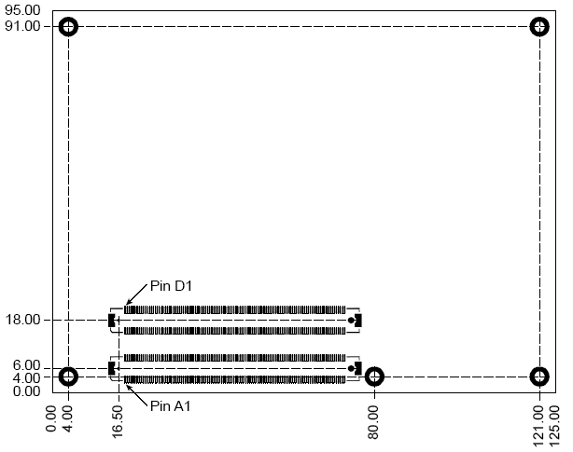
All dimensions are shown in millimeters. Tolerances shall be ± 0.25mm [±0.010"], unless noted otherwise. The 440 pin connector pair shall be mounted on the backside of the PCB and is seen “through” the board in this view. The 5 mounting holes shown shall use 6mm diameter pads and shall have 2.7mm plated holes, for use with 2.5mm hardware. The pads shall be tied to the PCB ground plane. Modules shall include the 5 mounting holes as shown in Figure 6-2 above. These holes areprimarily used to attach the module to the carrier.
Module Size — Extended Module
The PCB size for the Extended Module shall be 155mm x 110mm. The PCB thickness should be 2mm to allow high layer count stack-ups and facilitate a standard ‘z’ dimension between the Carrier Board and the top of the heat-spreader. (See “Heat-Spreader”). The holes shown in this drawing are intended for mounting the module / heat-spreader combination to the Carrier Board. An independent, implementation specific set of holes and spacers shall be used to attach the heat-spreader to the module.
Extended Module Form Factor
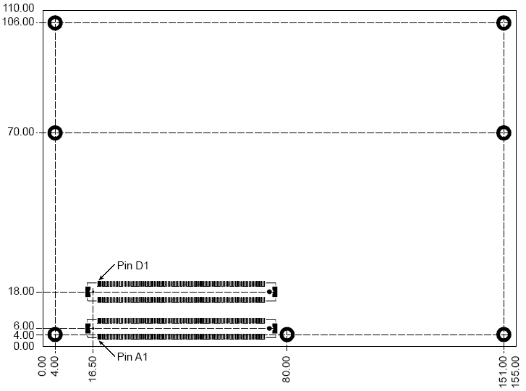
All dimensions are shown in millimeters Tolerances shall be ± 0.25mm [±0.010"], unless noted otherwise. The 440 pin connector pair shall be mounted on the backside of the PCB and is seen “through” the board in this view. The seven mounting holes shown shall use 6 mm diameter pads and have 2.7 mm plated holes, for use with 2.5 mm hardware. The pads shall be tied to the PCB ground plane. Modules shall include the 7 mounting holes as shown in Figure 6-3 above. These holes are primarily used to attach the module to the carrier.
Module Connector
The module connector for Pin-out Types 2 through 56 shall be a 440-pin receptacle that is composed of 2 pieces of a 220-pin, 0.5 mm pitch receptacle. The pair of connectors may be held together by a plastic carrier during assembly to allow handling by automated assembly equipment. Module Pin-out Type 1 or 10 shall use a single 220-pin, 0.5 mm pitch receptacle. The connectors shall be qualified for LVDS operation up to 6.25GHz, to support PCI Express Generation 2 signaling speeds. Sources for the individual 220-pin receptacle are AMP / Tyco 3-1318490-6 0.5 mm pitch Free Height 220 pin 4H Receptacle, or equivalent AMP / Tyco 8-1318490-6 0.5 mm pitch Free Height 220 pin 4H Receptacle, or equivalent (same as previous part, but with anti-wicking solution applied) Tyco Electronics 3-6318490-6 Foxconn QT012206-1031-2H or equivalent 0.5 mm pitch Free Height 220 pin 4H Receptacle Source for the combined 440-pin receptacle (composed of 2 pieces of the 220 pin receptacle held by a carrier) are: AMP / Tyco 3-1827231-6 0.5mm pitch Free Height 440 pin 4H Receptacle or equivalent. Tyco Electronics 3-1827231-6 Foxconn QT012206-1041-3H or equivalent 0.5 mm pitch Free Height 440 pin 4H Receptacle Note: the part number above shown with a leading ‘8’ has an anti-wicking solution applied that may help in processing with an aggressive flux. The other versions of the parts may also be made available with this solution by the vendor. The module connector is a receptacle by virtue of the vendor’s technical definition of a receptacle, and to some users it looks like a plug.
Module Receptacle

Carrier Board Connector
The Carrier Board connector for module Pin-out Types 2 through 56 shall be a 440-pin plug that is composed of 2 pieces of a 220-pin, 0.5 mm pitch plug. The pair of connectors may be held together by a plastic carrier during assembly to allow handling by automated assembly equipment. Carrier Boards intended only for use with Pin-out Type 1 or 10 modules may use a single 220-pin, 0.5 mm pitch plug. The connectors shall be qualified for LVDS operation up to 6.25GHz, to support PCI Express Generation 2 signaling speeds. The Carrier Board plugs are available in a variety of heights. The Carrier Board shall use either the 5mm or 8mm heights. Source for the individual 5 mm stack height 220 pin plug are: AMP / Tyco 3-1827253-6 0.5 mm pitch Free Height 220 pin 5H Plug or equivalent Tyco Electronics 3-1827253-6 Foxconn QT002206-2131-3H or equivalent 0.5 mm pitch Free Height 220 pin 5H Plug Source for the combined 5mm stack height 440-pin plug (composed of 2 pieces of the 220 pin plug held by a carrier) is: AMP / Tyco 3-1827233-6 0.5 mm pitch Free Height 440 pin 5H Plug or equivalent. Tyco Electronics 3-1827233-6 Foxconn QT002206-2141-3H or equivalent 0.5 mm pitch Free Height 440 pin 5H Plug . Source for the individual 8 mm stack height 220 pin plug are: AMP / Tyco 3-1318491-6 0.5 mm pitch Free Height 220 pin 8H Plug or equivalent AMP / Tyco 8-1318491-6 0.5 mm pitch Free Height 220 pin 8H Plug or equivalent (same as previous part, but with anti-wicking solution applied) Tyco Electronics 3-6318491-6 Foxconn QT002206-4131-3H or equivalent 0.5 mm pitch Free Height 220 pin 8H Plug Source for the combined 8 mm stack height 440 pin plug (composed of 2 pieces of the 220 pin plug held by a carrier) is: AMP / Tyco 3-5353652-6 0.5 mm Free Height 440 pin 8H Plug or equivalent. Tyco Electronics 3-5353652-6 Foxconn QT002206-4141-3H or equivalent 0.5 mm Free Heigh
Carrier Board Plug (8-mm Version)
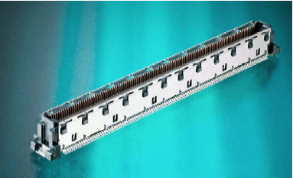
Connector PCB Pattern
Connector PCB Pattern
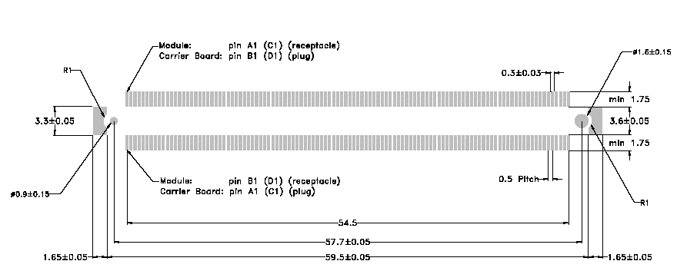 All dimensions in mm.
Module Connector Pin Numbering
Pin numbering for 440-pin module receptacle. This is a top view of the receptacle, looking into the receptacle, as mounted on the backside of the module.
Module Connector Pin Numbering
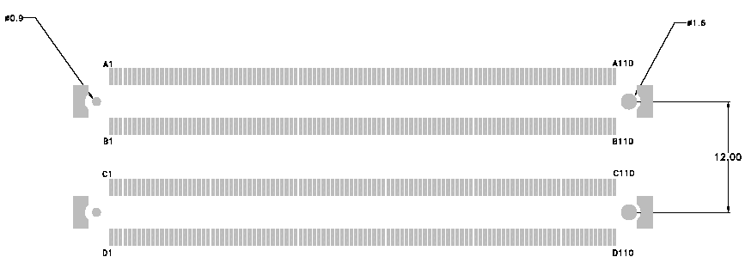 All dimensions in mm.
Carrier Board Connector Pin Numbering
Pin numbering for 440-pin carrier-board plug. This is a top view, looking into the plug as mounted on the Carrier Board.
Carrier Board Connector Pin Numbering
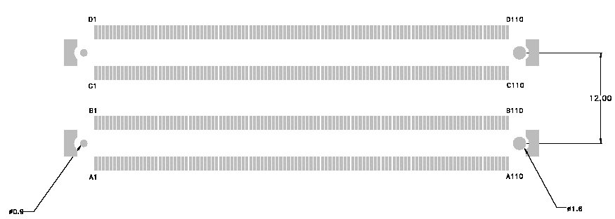 All dimensions in mm.

Electrical Specifications
Electrical Specifications
Input Power — General Considerations
The Compact, Basic and Extended Module modules shall use a single main power rail with a nominal value of +12V. Two additional rails are specified: a +5V standby power rail and a +3V battery input to power the module Real-time Clock (RTC) circuit in the absence of other power sources. The +5V standby rail may be left unconnected on the Carrier Board if the standby functions are not required by the application. Likewise, the +3V battery input may be left open if the application does not require the RTC to keep time in the absence of the main and standby sources. There may be module specific concerns regarding storage of system setup parameters that may be affected by the absence of the +5V standby and / or the +3V battery. The rationale for this power-delivery scheme is: • Module pins are scarce. It is more pin-efficient to bring power in on a higher voltage rail. • Single supply operation is attractive to many users. • Lithium ion battery packs for mobile systems are most prevalent with a +14.4V output. This is well suited for the +12V main power rail. • Contemporary chipsets have no power requirements for +5V other than to provide a reference voltage for +5V tolerant inputs. No COM ExpressTM module pins are allocated to accept +5V except for the +5V standby pins. In the case of an ATX supply, the switched (non standby) +5V line would not be used for the COM ExpressTM module, but it might be used elsewhere on the Carrier Board.
Input Power — Basic and Extended ModulesCurrent Load
The module connector pins limit the amount of power that can be brought into the COM ExpressTM modules. The limits are different for module Pin-out Types 1, and 10 vs. Pin-out Types 2 through 56, based on the number of 12V power pins as Pin-out Types 1 and 10 have fewer pins available.
Input Power — Pin-out Type 1,10 Modules (Single Connector, 220 pins)
Power Rail | Module Pin Current Capability (Amps) | Nominal Input (Volts) | Input Range (Volts) | Derated Input (Volts) | Max Input Ripple (mV) | Max Module Input Power (w. derated input) (Watts) | Assumed Conversion Efficiency | Max Load Power (Watts)
VCC_12V | 10.5 6 | 12 | 11.4 - 12.6 | 11.4 | +/- 100 | 120 68 | 85% | 101 58
VCC_5V_SBY | 2 | 5 | 4.75 – 5.25 | 4.75 | +/- 50 | 9
VCC_RTC | 0.5 | 3 | 2.0 - 3.3 |  | +/- 20
Input Power — Pin-out Type 2,3,4,5,6 Modules (Dual Connector, 440 pins)
Rail | Module Pin Current Capability (Amps) | Nominal Input (Volts) | Input Range (Volts) | Derated Input | Max Input Ripple | Max Module Input Power (w. derated input) (Watts) | Assumed Conversion Efficiency | Max Load Power (Watts)
VCC_12V | 16.5 12 | 12 | 11.4 - 12.6 | 11.4 | +/- 100 | 188 137 | 85% | 160 116
VCC_5V_SBY | 2 | 5 | 4.75 – 5.25 | 4.75 | +/- 50 | 9
VCC_RTC | 0.5 | 3 | 2.0 - 3.3 |  | +/- 20
Input Power — Sequencing
COM ExpressTM input power sequencing requirements are as follows: VCC_RTC shall come up at the same time or before VCC_5V_SBY comes up. VCC_5V_SBY shall come up at the same time or before VCC_12V comes up. PWROK shall be active at the same time or after VCC_12V comes up. PWROK shall be inactive at the same time or before VCC_12V goes down. VCC_12V shall go down at the same time or before VCC_5V_SBY goes down. VCC_5V_SBY shall go down at the same time or before VCC_RTC goes down.
Power Sequencing
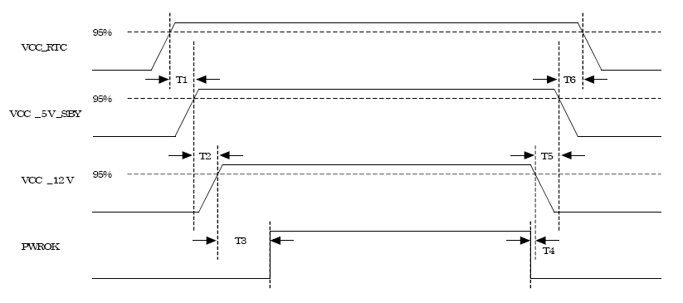
Power Sequencing
T1 | VCC_RTC rise to VCC_5V_SBY rise |  |  |  |  |  |  | ≥0 ms
T2 | VCC_5V_SBY rise to VCC_12V rise |  |  |  |  |  |  | ≥0 ms
T3 | VCC_12V rise to PWROK rise |  |  |  |  |  |  | ≥0 ms
T4 | PWROK fall to VCC_12V fall |  |  |  |  |  |  | ≥0 ms
T5 | VCC_12V fall to VCC_5V_SBY fall |  |  |  |  |  |  | ≥0 ms
T6 | VCC_5V_SBY fall to VCC_RTC fall |  |  |  |  |  |  | ≥0 ms
Input Power - Rise Time
The input voltages to the COM Express module VCC_12V and VCC_5V_SBY if used shall rise from ≤10% of nominal to within the regulation ranges within 0.1 ms to 20 ms (0.1 ms ≤ T2 ≤ 20 ms). There must be a smooth and continuous ramp of each DC output voltage from 10% to 90% of its final set point within the regulation band. The smooth turn-on requires that, during the 10% to 90% portion of the rise time, the slope of the turn-on waveform must be positive and have a value of between 0 V/ms and [Vout, nominal / 0.1] V/ms. Also, for any 5ms segment of the 10% to 90% rise time waveform, a straight line drawn between the end points of the waveform segment must have a slope ≥ [Vout, nominal / 20] V/ms.
Input Power Rise Time
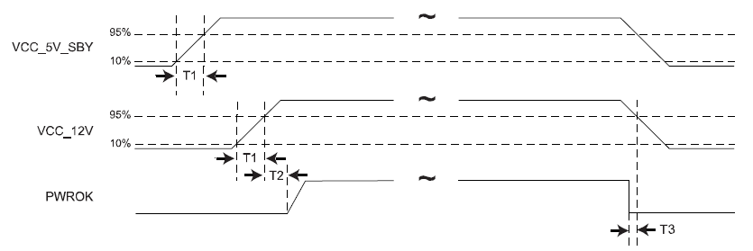
T1,min = 0,1ms T1,max = 20ms T2 ≥ 0ms T3 ≥ 0ms The values chosen were selected to be compatible and enable use of ATX specification R2.2
Signal Integrity Requirements
The signal groups listed in the following table have signal-integrity concerns that should be accounted for in module and carrier-board designs. A general description is shown in the table for reference only. The designer should consult the relevant interface specification documents for complete information.
Signal Group |  | General Description |  |  |  | Source Spec Reference
Analog VGA |  | 75-ohm single ended ground-referenced lines. Generous isolation recommended.
Component and Composite video |  | 75-ohm single ended ground-referenced lines. Generous isolation recommended.
Gigabit Ethernet |  | Differential pairs |  |  |  | IEEE 802.3 Specification
LVDS |  | 100-ohm edge coupled differential pairs |  |  |  | National Semiconductor LVDS web site
PCI Bus |  | Circa 60 ohm single-ended |  |  |  | PCI SIG - PCI Local Bus Spec. Rev. 2.3
PCI and LPC clocks |  | 50-ohm single ended ground-referenced
PCI Express |  | Differential pairs |  |  |  | PCI SIG - PCI Express Specification
PCI Express clocks |  | 100 ohm edge couple differential pair, ground-referenced
Serial ATA |  | Differential pairs |  |  |  | SATA Specification
USB |  | Differential pairs |  |  |  | USB 2.0 Specification

Environmental Specifications
Environmental Specifications
Thermal Specification
Objectives
Thermal specification requirements set forth here serve two objectives: 1.To provide a method through which any COM ExpressTM module’s thermal performance can be specified and verified against a common reference. 2. To provide a method of thermal specification that is independent of the particular components used on the module. These objectives are limited to the modules’ heat-spreader interface, and primary heat sources are limited to the module itself and ambient air.
Definitions
Tcase. This is the temperature of the outside surface of the module heat-spreader plate. Tcase_max. This is defined as the maximum temperature allowed for the heat-spreader of the module at point M (defined below). This maximum temperature is directly tied to maximum allowed junction temperatures of the chips that are in contact with the heat-spreader Tcase_min. This is defined as the minimum temperature allowed for the heat-spreader of the module. This temperature is directly tied to minimum allowed junction temperatures of the chips that are in contact with the heat-spreader. M. This is defined as the point on the heat-spreader where the maximum case temperature must be measured. The module manufacturer should indicate the location of this point on the module’s heat-spreader and/or in its product documentation. Tambient_max. This is defined as the maximum temperature of the air directly surrounding the module, allowed for the operation of the module. Tambient_min. This is defined as the minimum temperature of the air directly surrounding the module, allowed for the operation of the module. TDPmax. This is defined as the maximum power dissipation of the module for design of a thermal solution to guarantee that the module operates within the manufacturer’s specifications. TDP stands for thermal design power. Tcpu_junction. The junction temperature of the processor. Tcpu_junction can be measured in many processors by accessing an on-die thermal diode. Refer to the manufacturer datasheet for information on how to access the thermal diode. In some instances, software provided by the processor manufacturer or a third party may be used in conjunction with hardware on the module / carrier assembly to monitor the temperature of the processor. Verification of an internal thermal diode accuracy should be done and certified by the OEM. With verified accuracy of the diode, validation with software can then be done by end users. Tcpu_junction_max.
Tcase_max Measurement Setup
Measurements for Tcase_max should be performed according to a standardized method and under TDPmax conditions. The following figure depicts the standardized measurement setup for Tcase_max measurements.
Tcase_Max Measurement Point

This schematic illustration shows the module heat-spreader, the module, and the Carrier Board. Not shown is the user-specific cooling solution that shall attach to the heat-spreader. Modules are not normally operated without a cooling solution attached. The measurement point (M) should be specified, either through a permanent marker on the module’s heat-spreader, or through a mechanical drawing in the product’s support documentation.
Module Thermal Specification Requirements
A module manufacturer should specify Tcase_max, Tcase_min, Tambient_max, Tambient_min, TDPmax and M (the Tcase_max measurement point). A module manufacturer may specify Tcpu_junction_max and maximum junction temperatures of other critical chips on the module. In this case, the module vendor should provide software to read the junction temperature of the CPU and may do the same for the other critical chips. In that case, the module vendor shall ensure that the software is properly calibrated and that the junction temperature readings are accurate. The efficiency of the module thermal characteristics has an impact on the module’s MTBF (Mean Time Between Failure). Higher junction temperatures result in a shorter silicon life. Module vendors should provide MTBF information.
Humidity
The module humidity tolerance shall be 0 to 95% humidity, non-condensing.
Shock and Vibration
The shock and vibration characteristics of a system built with a COM ExpressTM module will vary depending on system-implementation details. These details include size, rigidity, and mounting configuration of the Carrier Board and the thermal solution. There is no explicit shock and vibration specification that COM ExpressTM modules are required to meet. If all available COM ExpressTM module and heat-spreader attachment points are used, then a COM ExpressTM based system should be capable of excellent shock and vibration performance.

